Design Report Checklist
 |  | ■Design Check List （No.1～130）No.37 20250922 |  |  |  | Building Name
 |  | 100 items are mandatory (white cells). 25 items are sampling (green cells ★ marked). |  |  |  | Site Location
 |  |  |  |  |  | Engineer |  | Name |  |  |  |  | Date
 |  |  |  |  |  | RAJUK |  | Name |  |  |  |  | Date
 |  |  |  |  |  |  |  | Name |  |  |  |  | Date
 |  |  |  |  |  |  |  | Name |  |  |  |  | Date
 |  |  |  |  |  |  |  | Name |  |  |  |  | Date

 |  |  |  |  |  | Cells filled out by RAJUK/designers |  |  |  |  |  |  | Reference
 |  | 1 |  | 2 |  | 3 |  | 4 | 5 |  |  |  | 6 | 7 | 8 | 9
 |  | Element | No. | Item |  | confirm | not confirm | Describe the Contents of the Confirmation | Data source page or No. | Data source |  |  | BNBC2020 PartⅥ | Manual page | URP P-S | Remarks
旧 番号 | 旧 番号 |  |  |  |  |  |  |  | D:Design Report A:Architectural Drawing S:Structural Drawing | DESIGN REPORT | Archi- tectural DRAWING | Struc- tural DRAWING
1 | 1 | Building overview | 1 | Building occupancy type →Describe what you checked. ex）A: Residential (A3) |  | □ | □ |  |  |  |  |  | Only here PartⅢ Chapter 1 Sec 1.4 Table 3.1.1 | - | -
2 | 2 |  | 2 | Total floor area →Describe it. ex）4353.41㎡ |  | □ | □ |  |  |  |  |  | - | - | -
3 | 3 |  | 3 | Ground floor area →Describe it. ex）527.03㎡ |  | □ | □ |  |  |  |  |  | - | - | -
4 | 4 |  | 4 | Type of Structure →Describe it. ex）RCC, Steel |  | □ | □ |  |  |  |  |  | - | - | -
5 | 5 |  | 5 | Number of stories →Describe it. ex）10 stories and 1 base |  | □ | □ |  |  |  |  |  | - | - | -
6 | 6 |  | 6 | Building Height →Describe it. ex）34.5m |  | □ | □ |  |  |  |  |  | - | - | -
 | 7 | Declaration | 7 | Declaration of the designer (responsibility for the design) →Write designer's name. ex）A.K.M Saiful Bari |  | □ | □ |  |  |  |  |  | Sec 1.9.2(h) | Chapter1 1.4 | -
7 | 8 | Codes and Standards | 8 | Codes and Standards →Describe it. ex）BNBC2020 |  | □ | □ |  |  |  |  |  | Sec 1.9.2(a), (b) | - | -
8 | 9 | Design method | 9 | Design method →Describe it. ex）USD,WSD |  | □ | □ |  |  |  |  |  | Sec 1.9.2(c) | - | -
27 | 10 | Earthquake Analysis methods | 10 | Earthquake Analysis methods →Describe it. ex）Equivalent static analysis |  | □ | □ |  |  |  |  |  | Sec 2.5.7-2.5.12 | - | -
9 | 11 | Software | 11 | Design software Name →Describe it. ex）ETABS v16.2.1 |  | □ | □ |  |  |  |  |  | Sec 1.9.2(i) | Chapter1 1.4 | -
26 | 12 | Soil Properties | 12 | Soil report Confirmation. →Describe the site. Ex) Basundhara R/A, Dhaka |  | □ | □ |  |  |  |  |  | Sec 1.9.2(g) Sec 2.5.3 | Annex (4) | 118,123
 | 13 |  | 13 | Vs：Average Shear Wave Velocity →Describe it. ex）Vs=108.38<180(m/s) |  | □ | □ |  |  |  |  |  | Sec 2.5.3.2 Table 6.2.13 | Annex (3) | 118
 | 14 |  | 14 | N：Average SPT value in top 30m →Describe it. ex）N=2.67<15(blows/30cm) |  | □ | □ |  |  |  |  |  | Sec 2.5.3.2 Table 6.2.13 | Annex (3) | 118
 | 15 |  | 15 | Su：Average Undrained shear Strength →Describe it. ex）Su<70(kpa) |  | □ | □ |  |  |  |  |  | Sec 2.5.3.2 Table 6.2.13 | Annex (3) | 118
22 | 16 | Site Conditions | 16 | S：Site Class based on Soil properties is selected according to Table6.2.13. →Describe it. ex）SD |  | □ | □ |  |  |  |  |  | Sec 2.5.3.2 Table 6.2.13 | Annex (3) | 118
20 | 17 |  | 17 | Occupancy category is selected according to Table6.1.1. →Describe it. ex）Ⅱ |  | □ | □ |  |  |  |  |  | Sec 1.2.3 Table 6.1.1 | Annex (1) | -
23 | 18 |  | 18 | Seismic Zone is selected according to Figure6.2.24. →Describe it. ex）2 |  | □ | □ |  |  |  |  |  | Sec 2.5.4.2 Figure 6.2.24 | Annex (2) | 117
25 | 19 |  | 19 | SDC：Seismic Design Category is selected according to Table6.2.18. →Describe it. ex）D |  | □ | □ |  |  |  |  |  | Sec 2.5.5.2 Table 6.2.18 | Annex (4) | 122
24 | 20 |  | 20 | Seismic Zone Coefficient "Z" is selected according to Table6.2.14, 6.2.15. →Describe it. ex）0.2 |  | □ | □ |  |  |  |  |  | Sec 2.5.4.2 Table 6.2.14,15 | Annex (2) | 117
21 | 21 |  | 21 | I：Importance factor is selected according to Table 6.2.17. →Describe it. ex）1.00 |  | □ | □ |  |  |  |  |  | Sec 2.5.5.1 Table 6.2.17 | - | 119 | Different from No.30
18 | 22 | Loads etc. | 22 | Total Dead Load →Describe it. ex）53041.2kN |  | □ | □ |  |  |  |  |  | Sec 2.2 | - | 96
17 | 23 |  | 23 | Total Live Load →Describe it. ex）9484.0kN |  | □ | □ |  |  |  |  |  | Sec 2.3 | - | 99-105
19 | 24 |  | 24 | W：Seismic weight W=Dead Load+Live Load×(25%,50%,100%,or higher) →Describe it. ex）W=55412.25kN |  | □ | □ |  |  |  |  |  | Sec 2.5.7.3 | - | -
32 | 25 |  | 25 | T(s)：Building period →Describe it. ex）T=0.694678957 |  | □ | □ |  |  |  |  |  | Sec 2.5.7.2 | - | 128
33 | 26 |  | 26 | Cs：Normalized acceleration response spectrum →Describe it. ex）Cs=3.375 |  | □ | □ |  |  |  |  |  | Sec 2.5.4.3 | - | 121
34 | 27 |  | 27 | Sa：Design spectral acceleration. Sa=2/3×ZI/R×Cs →Describe it. ex）Sa=0.069 |  | □ | □ |  |  |  |  |  | Sec 2.5.4.3 | - | 121
35 | 28 |  | 28 | V：Design base shear. V=Sa･W →Describe it. ex）V=3823.5kN |  | □ | □ |  |  |  |  |  | Sec 2.5.7.1 | - | -
 | 29 |  | 29 | Wind Loads | Basic Wind Speed & Exposure category →Describe it. ex）65.7m/s(=236.5km/h=146.9mph), A | □ | □ |  |  |  |  |  | Sec 2.4.4 Table 6.2.8 Sec 2.4.6.3 | - | 138
 |  |  | 30 |  | Importance Factor (Table 6.2.9) →Describe it. ex）1 | □ | □ |  |  |  |  |  | Sec 2.4.5 Table 6.2.9 | - | 139 | Different from No.21
 |  |  | 31 |  | Gust Effect Factor →Describe it. ex）0.85 If building period greater than 1.0 second, the Gust Effect Factor shall be calculated. | □ | □ |  |  |  |  |  | Sec 2.4.8 | - | 158
28 | 30 | Structural System | 32 | Seismic Force-Resisting System is selected according to Table 6.2.19. →Describe it. ex）DUAL SYSTEMS (IMF) E2 Special reinforced concrete shear walls |  | □ | □ |  |  |  |  |  | Sec 2.5.5.4 Table 6.2.19 | Annex (5) | 120,124
 | 31 |  | 33 | The type of Moment Resisting Frame(SMF, IMF, or OMF) →Describe it. ex）IMF |  | □ | □ |  |  |  |  |  | SMF:Sec 8.3.3-8 IMF:Sec 8.3.10 OMF:Sec 8.3.9 | Annex (6) | -
29 | 32 |  | 34 | R：Response Reduction Factor is selected according to Table 6.2.19. →Describe it. ex）R=6.5 |  | □ | □ |  |  |  |  |  | Sec 2.5.5.4 Table 6.2.19 | Annex (5) | 120,124
30 | 33 |  | 35 | Cd：Diflection Amplification Factor is selected according to Table 6.2.19. →Describe it. ex）Cd=5 |  | □ | □ |  |  |  |  |  | Sec 2.5.5.4 Table 6.2.19 | Annex (5) | 120,124
31 | 34 |  | 36 | Height limit is selected according to Table 6.2.19. →Describe it. ex）50m |  | □ | □ |  |  |  |  |  | Sec 2.5.5.4 Table 6.2.19 | Annex (5) | 120,124
 | 35 |  | 37 | ★Building height is lower than the height limit above. |  | □ |  | Satisfactory | -
 |  | Building Irregularities | 38 | Vertical | Stiffness Irregularity check (No Soft Story / Soft Story / Extreme Soft Story) For example, Soft story occurs when lateral stifness is less than 70% of that in the the story above. | □ | □ |  |  |  |  |  | Sec 2.5.5.3.2 (ⅰ) | - | 126
(a)
 |  |  | 39 | 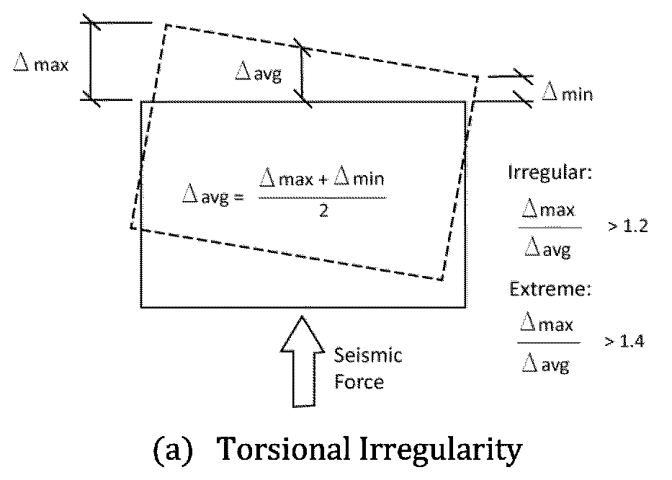 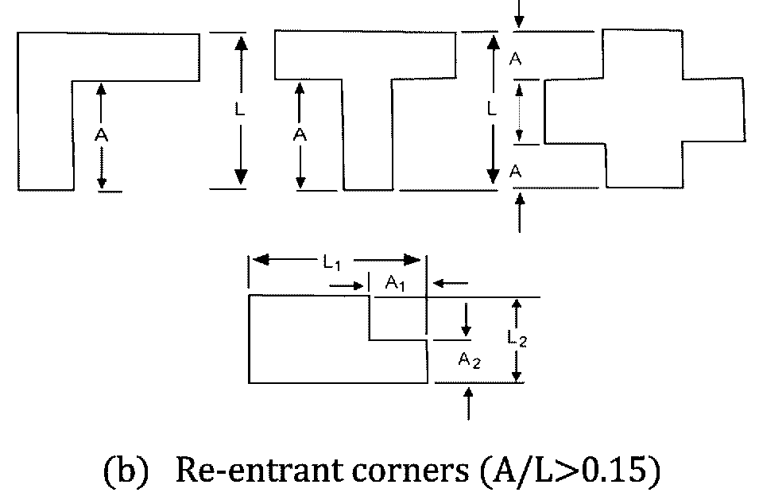 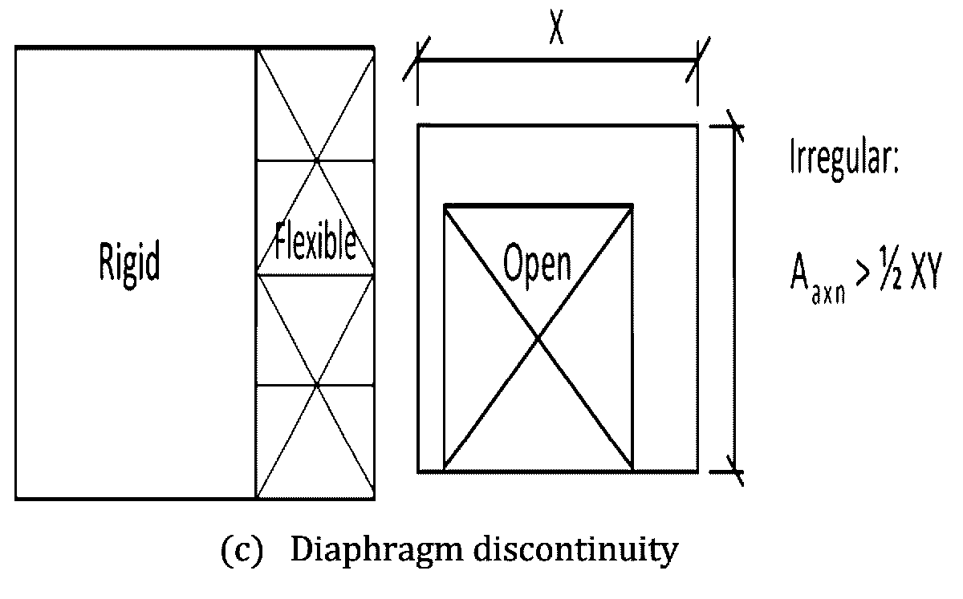 Horizontal | (a)Tortional Irregurarity check (mentioned/not) Irreguler : Δmax/Δave > 1.2 Extreme : Δmax/Δave > 1.4 | □ | □ |  |  |  |  |  | Sec 2.5.5.3.1 (ⅰ) | - | 126
(b)
 | 36 |  | 40 |  | Drift check Storey drift →As a representative, describe the maximum value of the X-direction (positive force). ex）0.003139（6F） | □ | □ |  |  |  |  |  | Sec 2.5.14.1 Table.6.2.21 | - | 136
 | 37 |  | 41 |  | ★The maximum storey drift above is lower than the value of Table 6.2.21 (ex. lower than 0.020hsx). hsx is the story height below level x. | □ |  | Satisfactory | -
(c)
 |  |  | 42 |  | (b)Reentrant Corner check (A/L > 0.15) (mentioned/not) | □ | □ |  |  |  |  |  | Sec 2.5.5.3.1 (ⅱ) | - | 126
 |  |  | 43 |  | (c)Diaphragm discontinuity check (mentioned/not) Irregular : Aaxn (= cutout or open areas) > 1/2XY (= 50 percent of the gross enclosed area of the diaphragm) | □ | □ |  |  |  |  |  | Sec 2.5.5.3.1 (ⅲ) | - | 126
48 | 38 | Concreting Procedure | 44 | Concrete | Maximum permissible free fall height of concrete depositing/pouring →Describe it. ex）1.5m | □ | □ |  |  |  |  |  | Sec 5.10 Indian Standard IS-456:2000 or Book of Specifications (PWD) | Reference 05 | -
 | 39 |  | 45 |  | ★The maximum free fall height above is lower than 1.5m (lower is better). | □ |  | Satisfactory | -
49 | 40 |  | 46 |  | A compaction method such as using mechanical vibrators | □ | □ |  |  |  |  |  | Sec 5.10 Indian Standard IS-456:2000 or Book of Specifications (PWD) | Reference 05 | -
51 | 41 |  | 47 |  | Precautions for form work such as follow PWD schedule | □ | □ |  |  |  |  |  | Sec 5.16 or Book of Specifications (PWD) | Reference 05 | -
50 | 42 | Curing (days) | 48 | Column/Beam/ Shear wall/Slab | The curing period →Describe it. ex）21 days | □ | □ |  |  |  |  |  | Sec 5.11 | - | -
 | 43 |  | 49 |  | ★The curing period is subject to the following. ・General：More than 7 days at 10℃ or higher. ・High early strength：More than 3 days at 10℃ or higher. ・others：follow Sec 5.11.3. | □ |  | Satisfactory | -
 | 44 | Cover | 50 | Column/Beam/ Shear wall/Slab | The cover thickness (mentioned/not) | □ | □ |  |  |  |  |  | Sec 8.1.7 | - | 8,12 17,63
 | 45 | Concrete & Cement Type | 51 | Classification | Confirm that Normal weight aggregate is used. In the case of lightweight aggregate is used, follow the regulations of lightweight concrete. Below is a regulation for normal weight concrete. | □ | □ |  |  |  |  |  | Sec 5.1.1 Sec 5.2.1 | - | -
 | 49 | Concrete Compressive Strength f'c | 52 | Column | Concrete compressive strength (f'c) of column from design report →Describe it. ex）31N/㎟ | □ | □ |  |  |  |  |  | Sec 5.5.4 Sec 8.1.7.8 Sec 8.3.3.3 | Annex (6) A-8,11,17 | 64,67 73,84
 |  |  | 53 |  | Concrete compressive strength (f'c) of column from structural drawing. →Describe it. ex）31N/㎟ | □ | □
 |  |  | 54 |  | ★Confirm the consistency between design report and structural drawing. ・fc' of design report ＝ fc' of structural drawing | □ |  | Satisfactory | -
 | 50 |  | 55 | Beam | Concrete compressive strength (f'c) of beam. Confirm the consistency between design report and structural drawing. →Describe it. ex）24.13N/㎟ | □ | □
 | 51 |  | 56 | Shear Wall | Concrete compressive strength (f'c) of shear wall. Confirm the consistency between design report and structural drawing. →Describe it. ex）31N/㎟ | □ | □
 | 52 |  | 57 | Slab | Concrete compressive strength (f'c) of slab. Confirm the consistency between design report and structural drawing. →Describe it. ex）24.13N/㎟ | □ | □
 | 53 |  | 58 |  | ★f'c is subject to the following. ・IMF,OMF：20 N/㎟ or more (17 N/㎟ or more for 4th floors and below) ・SMF：21 N/㎟ or more ・For the corrosive environment or other severe exposure conditions : 25 N/㎟ or more | □ |  | Satisfactory | -
 | 46 |  | 59 | Foundation | Concrete compressive strength (f'c) of foundation. Confirm the consistency between design report and structural drawing. →Describe it. ex）Pile=21N/㎟, Pile cap=31N/㎟ | □ | □ |  |  |  |  |  | Sec 3.6.1 Table 6.3.5 | - | 67
15 | 47 |  | 60 |  | The type of foundation →Describe it. ex）cast in situ pile | □ | □
 | 48 |  | 61 |  | ★f'c is subject to the following. ・Footing:≧20N/㎟ ・Cast-in-situ pile:≧18N/㎟ ・Driven pile:≧25N/㎟ | □ |  | Satisfactory | -
 | 54 | Steel yield Strength | 62 | fy（longitudinal rebar） | Steel yield strength (fy) of longitudinal rebar. Confirm the consistency between design report and structural drawing. →Describe it. ex）414N/㎟ | □ | □ |  |  |  |  |  | Sec 6.2.4 Sec 8.3.3.4(b) | Annex (6) A-11,17 | 68,74,85
 | 55 |  | 63 |  | ★fy is subject to the following. ・IMF,OMF : 550N/㎟ or less ・SMF : 420N/㎟ or less | □ |  | Satisfactory | -
 | 56 |  | 64 | fyt（transverse rebar） | Steel yield strength (fyt) of transverse rebar. Confirm the consistency between design report and structural drawing. →Describe it. ex）414N/㎟ If fyt is not described, the value of fy is adopted. | □ | □ |  |  |  |  |  | Sec 6.2.4 Sec 8.3.3.4(c) | Annex (6) A-11,17 | 68,74,85
 | 57 |  | 65 |  | ★fyt is subject to the following. ・IMF,OMF : 550N/㎟ or less ・SMF : 700N/㎟ or less | □ |  | Satisfactory | -
 | 58 | Lap splices | 66 | Column | The position of the lap splices (ℓd) of column. (mentioned/not) | □ | □ |  |  |  |  |  | Sec 8.2.3 Sec 8.2.12.2 Sec 8.3.4.2 Sec 8.3.5.3 Sec 8.3.5.4 Sec 8.3.10.5 | Annex (6) A-7,8,13 20,22,23 | 65,66 69,75 76,81 82
 | 59 |  | 67 | Beam | The position of the lap splices (ℓd) of beam. (mentioned/not) | □ | □
 | 66 | Column | 68 | Design | Columns are designed in the design report. (mentioned/not) | □ | □ |  |  |  |  |  | - | - | -
 | 67 |  | 69 | Symbol | Select one of the column symbols designed in the design report and describe it (any of them). ex) 【3F/C2】 | □ | □ |  |  |  |  |  | - | - | -
58 | 68 | 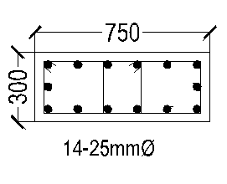 ex) Schedule | 70 | Schedule | column schedule above in the structural drawing. (mentioned/not) The following is a review of this column. Attention) The position of columns in Etabs and drawings (see the left figure). | □ | □ |  |  |  |  |  | - | - | -
column
c2
c1
(minimum)
60 | 69 |  | 71 | Cross-sectional shape | Dimension of section of column above →describe the dimension. ex）300mm×750mm | □ | □ |  |  |  |  |  | - | - | -
(Basement Floor)
(Ground Floor)
2nd Floor
Column
3rd Floor
Column
(3rd Floor)
(2nd Floor)
(1st Floor)
Ground
Floor
Etabs
(Drawing)
1st Floor
Column
Column
 | 70 |  | 72 | example | ★Comfirm below ・c1 ≧ 300mm ・c2 ≦ c1×2.5 | □ |  | Satisfactory | - |  |  |  | Sec 8.3.5.1 Fig 6.8.6 | - | -
66 | 72 |  | 73 | Longitudinal rebar | Required reinforcement ratio of column above from computer output →Describe it. ex）3.06％ | □ | □ |  |  |  |  |  | Sec 6.3.9.1 | - | 23,69
 | 71 |  | 74 |  | longitudinal rebars of column above from structural drawing are over 4. →Describe the number of longitudinal rebars & diameter(φ). ex）14-25φ | □ | □ |  |  |  |  |  | Sec 6.3.9.2 | - | 24,69
 |  | ex) Position of columns (Output of Etabs) | 75 |  | Calculate the total cross-sectional area of longitudinal rebar above from structural drawing (Nominal cross-sectional area : 16φ＝201㎟, 20φ＝314㎟, 22φ＝380㎟, 25φ＝491㎟) →Describe it. ex) 14×491＝6874㎟ | □ | □ |  |  |  |  |  | - | - | -
 |  |  | 76 |  | Provided reinforcement ratio of column(=Rebar area/column cross-sectional area) above from structural drawing →Describe it. ex) 6874/(300×750)×100＝3.06％ | □ | □ |  |  |  |  |  | Sec 6.3.9.1 | - | 23,69
 |  |  | 77 |  | ★Confirm the consistency of reinforcement ratio of column (%) between computer output and structural drawing. ・Required (%) ＝ Provided (%) | □ |  | Satisfactory | - |  |  |  | - | - | -
 | 73 |  | 78 |  | ★Ast satisfies the following. 0.01Ag ≦ Ast ≦ 0.06Ag or 0.04Ag※ (※preferred not to exceed 0.04Ag) | □ |  | Satisfactory | - |  |  |  | Sec 6.3.9.1 | - | 69
 | 74 |  | 79 |  | Capacity ratio of column above. | □ | □ |  |  |  |  |  | - | - | 69
 | 75 |  | 80 |  | ★Capacity ratio is confirm below. Capacity ratio ≦ 1.0 | □ |  | Satisfactory | - |  |  |  | - | - | 69
beam
-column
joint
ℓ0
ℓ0
middle
 | 76 |  | 81 | 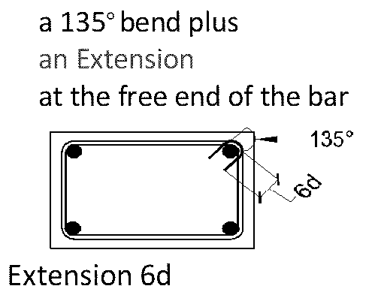 Hoop/Tie | Diameter of hoop/tie →Describe it. ex）10φ | □ | □ |  |  |  |  |  | - | - | 69
 | 77 |  | 82 |  | Spacing of the end (ℓ0) area →Describe it. ex）125mm | □ | □ |  |  |  |  |  | ◆Spacing OMF:Sec 8.3.9 IMF:Sec 8.3.10.5 (c) SMF:Sec 8.3.5.4 ◆Extension OMF:Sec 8.3.9.2(a) IMF: Sec 8.1.2.1(d) SMF:Sec 8.3.5.4 | Annex (6) A-10,13,23 | 69
 | 78 |  | 83 |  | Spacing of the middle area →Describe it. ex）200mm | □ | □ |  |  |  |  |  |  |  | 69,82
 | 79 |  | 84 |  | Spacing of the beam-column joint →Describe the pitch. ex）125mm (Check if there is a reinforcement drawing of this.) | □ | □ |  |  |  |  |  |  |  | 62,69
Note:Transverse reinforcement of beam not shown for clarity
 | 80 |  | 85 |  | ★confirm below [IMF,OMF] Spacing of end area ≦ 8 times of diameter of longitudinal rebar, 24 times of diameter of hoop, half length of short side length of column, 300mm※ (※OMF is not include 300㎜.) Spacing of middle area ≦ 2 times of spacing of end area. Spacing of beam-column joint ≒ Spacing of end area [SMF] Spacing of end area ≦ one-quarter of minimum dimension of column, 6 times of diameter of longitudinal rebar of column, 100～150mm Spacing of middle area ≦ 2 times of spacing of end area. Spacing of beam-column joint ≒ Spacing of end area [Extension of 135°hook/bend] More than 6 times the hoop/tie diameter and 60mm (for OMF) or 75mm (for IMF, SMF). | □ |  | Satisfactory | - |  |  |  |  |  | -
top side
 | 81 | Beam | 86 | Design | Beams are designed in the design report. | □ | □ |  |  |  |  |  | - | - | -
 | 82 | 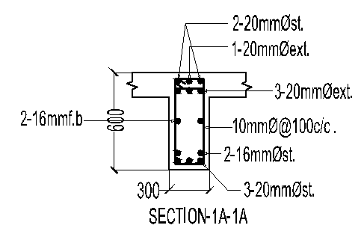 | 87 | Symbol | Select one of the beam symbols designed in the design report and describe it (any of them). ex) 【Story3&4/F.B-1】 | □ | □ |  |  |  |  |  | - | - | -
83 | 83 |  | 88 | Schedule | Beam schedule above in the structural drawing. The following is a review of this beam. | □ | □ |  |  |  |  |  | - | - | -
h
width
beam
▼
SL
depth
85 | 84 | ex) Schedule | 89 | Cross-sectional shape | Dimention of section of beam above mentioned. →describe the length. ex）300mm×600mm | □ | □ |  |  |  |  |  | - | - | -
 | 85 |  | 90 |  | ★Comfirm below (h is depth of beam) ・width ≧｛0.3h、250mm｝ | □ |  | Satisfactory | - |  |  |  | Sec 8.3.4.1 Fig 6.8.1 | - | -
 | 87 |  | 91 | Longitudinal rebar | Required area of longitudinal rebar above from computer output (top side of the end of the beam) →describe it. ex) 962㎟ | □ | □ |  |  |  |  |  | - | - | 69
 | 86 |  | 92 |  | Diameter and number of longitudinal rebar above from structural drawing (top side of the end of the beam). →describe it. ex) 6-20φ | □ | □ |  |  |  |  |  | - | - | 69
 | 88 |  | 93 |  | Calculate the provided area of longitudinal rebar above from structural drawing. (Nominal cross-sectional area : 16φ＝201㎟, 20φ＝314㎟, 22φ＝380㎟, 25φ＝491㎟) →describe it. ex) 6×314=1884㎟ | □ | □ |  |  |  |  |  | - | - | 69
 | 89 |  | 94 |  | ★Comfirm below ・required area ≦ provided area | □ |  | Satisfactory | - |  |  |  | - | - | 69
 | 90 |  | 95 | Development length Extension | Development length （ℓdh） →describe it. Ex) 185mm | □ | □ |  |  |  |  |  | Sec 8.2.6 Sec 8.3.7.4 | Annex (6) A-7,8 | 65,72
ℓdh
Extension
 | 91 |  | 96 |  | ★Confirm below. (db is diameter of longitudinal rebar.) [OMF]：Doesn't have a specific stipulation (follow IMF). [IMF]：ℓdh≧｛8db、150mm、0.24fydb/√f'c｝ [SMF]：ℓdh≧｛8db、150mm、fydb/5.4√f'c｝ | □ |  | Satisfactory | -
 | 92 |  | 97 |  | Extension →describe it. ex) 300mm | □ | □ |  |  |  |  |  | Sec 8.1.2.1 | Annex (6) A-6 | 62,72
Note:Transverse reinforcement not shown for clarity
 | 93 |  | 98 |  | ★Confirm below. (db is diameter of longitudinal rebar.) ・Extension ≧ 12db | □ |  | Satisfactory | -
end
2h
h
middle
beam
column
 | 94 |  | 99 | Stirrup | Diameter of stirrup →Describe it. ex）10φ | □ | □ |  |  |  |  |  | - | - | 69
 | 95 |  | 100 |  | Spacing of the end (2h) area →describe it. ex) 100mm | □ | □ |  |  |  |  |  | ◆Spacing OMF:Sec 8.3.9 IMF:Sec 8.3.10.4 (b) SMF:Sec 8.3.4.3 ◆Extension OMF, IMF, SMF: Sec 8.1.2.1(d) | Annex (6) A-10,12,21 | 69
 | 96 |  | 101 |  | Spacing of the middle area →Describe it. ex）100mm | □ | □ |  |  |  |  |  |  |  | 69,77,78
Note:Transverse reinforcement of column not shown for clarity
 | 97 |  | 102 |  | ★Confirm below. (d≒h-60mm） [OMF]：Doesn't have a specific stipulation (follow IMF). [IMF, SMF] Spacing of end area ≦ d/4, 8 times of diameter of longitudinal rebar, 24 times of diameter of stirrup, 300mm Spacing of middle area ≦ d/2 [Extension of 135°hook/bend] More than 6 times the stirrup diameter and 75mm (for OMF, IMF, SMF). | □ |  | Satisfactory | - |  |  |  |  |  | 69
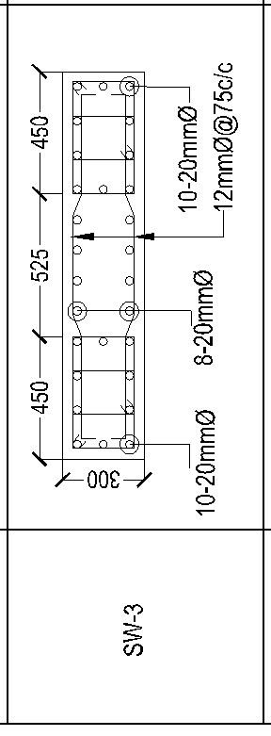
 | 98 | Shear Wall | 103 | Design | Shear walls are designed in the design report. | □ | □ |  |  |  |  |  | - | - | -
 | 99 |  | 104 | Symbol | Select one of the shear wall symbols designed in the design report and describe it (any of them). ex) 【Story1/SW-3】 | □ | □ |  |  |  |  |  | - | - | -
69 | 100 |  | 105 | Schedule | Shear wall schedule above in the structural drawing. The following is a review of this shear wall. | □ | □ |  |  |  |  |  | - | - | -
h
▼
SL
←beam
←shear wall
74 | 101 |  | 106 | Thickness | Thickness of section of shear wall above →describe the thickness. ex）300mm | □ | □ |  |  |  |  |  | Sec 6.6.5.3 | - | 30
 | 102 |  | 107 |  | ★Comfirm below thickness ≧ h/25 and 100㎜ (h=supported hight or length) | □ |  | Satisfactory | -
 | 103 | ex) Schedule | 108 | Vertical reinforcement | Diameter and spacing/number of the vertical reinforcement →describe it. ex）2-20φ-@120（If the number is displayed (such as the left side schedule), the spacing is estimated from the drawing.） | □ | □ |  |  |  |  |  | - | - | 69
80 81 | 104 |  | 109 |  | ★Comfirm below ・Walls with a thickness of 250 mm or more are two layers reinforcement. ・Maximum spacing of reinforcement shall not be spaced farther apart than three times the wall thickness, nor farther apart than 450 mm. | □ |  | Satisfactory | - |  |  |  | Sec 6.6.3.4 Sec 6.6.3.5 | - | 35,36,69
 | 105 |  | 110 |  | Computer output of required area of vertical reinforcement above →describe it. ex) 4303㎟ | □ | □ |  |  |  |  |  | - | - | 69
 | 106 |  | 111 |  | Calculate the actual provided area of vertical reinforcement above. →describe it. ex) 28×314＝8792㎟ | □ | □ |  |  |  |  |  | - | - | 69
 | 107 |  | 112 |  | ★Comfirm below ・required area ≦ provided area | □ |  | Satisfactory | - |  |  |  | - | - | 69
 | 108 |  | 113 | Horizontal reinforcement | Diameter and spacing of the horizontal reinforcement →describe it. ex）2-12φ-@75 | □ | □ |  |  |  |  |  | - | - | 69
80 81 | 109 |  | 114 |  | ★Comfirm below ・Walls with a thickness of 250 mm or more are two layers reinforcement. ・Maximum spacing of reinforcement shall not be spaced farther apart than three times the wall thickness, nor farther apart than 450 mm. | □ |  | Satisfactory | - |  |  |  | Sec 6.6.3.4 Sec 6.6.3.5 | - | 33,36,69
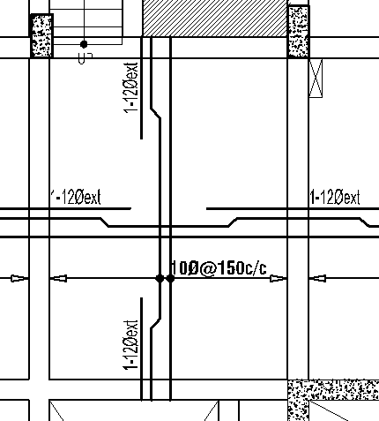
11 | 110 | Slab | 115 | Type | The type of slab →Describe it. ex）Beam supported cast in suit slab | □ | □ |  |  |  |  |  | Sec 6.5 | - | -
94 | 111 |  | 116 | Schedule | Slab schedule in the structural drawing. The following is a review of this slab. | □ | □ |  |  |  |  |  | - | - | -
94 | 112 |  | 117 | Symbol | Select one of the slab symbols in the structural drawings and describe it (any of them). ex) 【1st Floor】 | □ | □ |  |  |  |  |  | - | - | -
98 | 113 |  | 118 | Thickness | Thickness of the slab above →descrive it. ex) 125mm | □ | □ |  |  |  |  |  | Sec 6.2.5 | - | 41,50,51
 | 114 | ex) Schedule | 119 |  | ★Comfirm below ・thickness ≧ 125㎜, 100mm, 90mm, etc. →Depending on the support conditions around and the ratio of long to short span of the slab. | □ |  | Satisfactory | -
14 | 60 | Foundation | 120 | Type | The type of foundation →Describe it. ex）pile foundation | □ | □ |  |  |  |  |  | Sec 3.7 | - | -
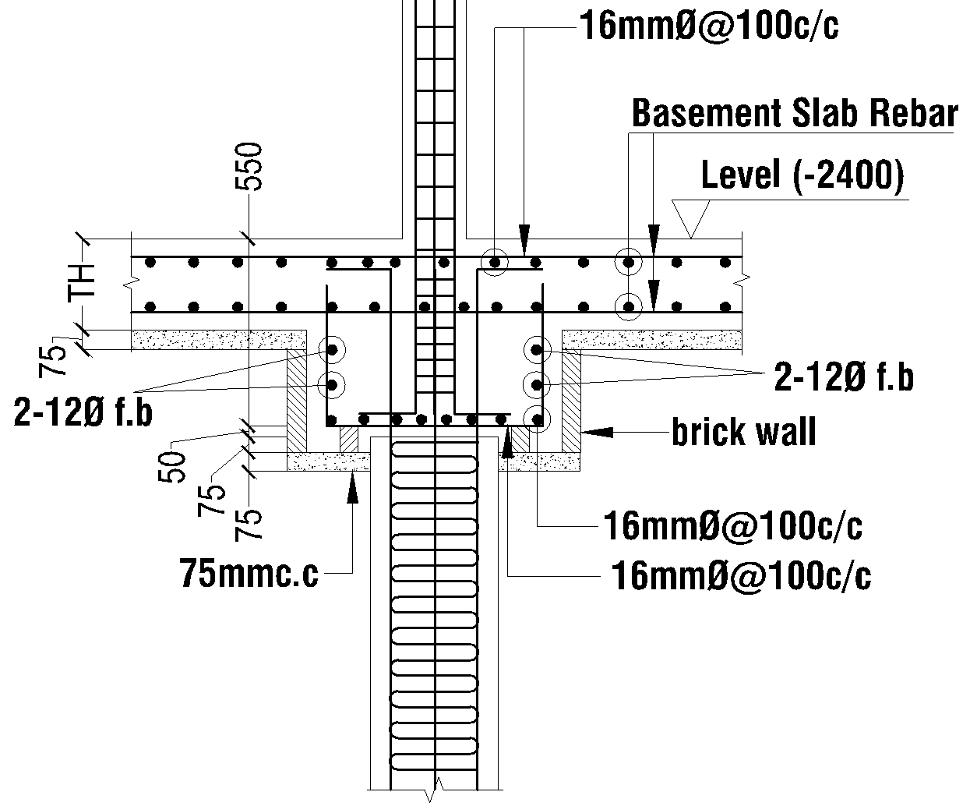
53 | 61 |  | 121 | Schedule | Footing or Pilecap schedule in the structural drawings. The following is a review of this foundation. | □ | □ |  |  |  |  |  | - | - | -
53 | 62 |  | 122 | Symbol | Select one of the foundation symbols in the structural drawings and describe it (any of them). ex) 【PC-1】 | □ | □ |  |  |  |  |  | - | - | -
footing
▼
SL
pile
depth
57 | 63 |  | 123 | Shape | Depth of footing above →describe it. ex）550mm | □ | □ |  |  |  |  |  | Sec 6.8.7 | - | 11,16
 | 64 | ex) Schedule | 124 | example | ★Depth of footing is subject to the following. ・depth ≧ 150mm(on soil)(Column Footing) ・depth ≧ 300mm(on pile)(Pilecap) | □ |  | Satisfactory | -
16 | 65 |  | 125 | Length of pile | Length of Pile →If applicable, describe the length of the pile. ex) 29700mm | □ | □ |  |  |  |  |  | - | - | -
14 | 60 | Foundation | 126 | Type | The type of foundation →Describe it. ex）Mat foundation | □ | □ |  |  |  |  |  | - | - | -
53 | 61 |  | 127 | Level | Level of Mat Top →If applicable, describe the top level of mat. | □ | □ |  |  |  |  |  | - | - | -
53 | 62 |  | 128 | Capacity | Bearing Capacity for Mat design →If applicable, describe the bearing capacity of mat. | □ | □ |  |  |  |  |  | - | - | -
Mat
▼
SL
depth
57 | 63 |  | 129 | Shape | Shear Check →describe thickness | □ | □ |  |  |  |  |  | - | - | -
 | 64 | ex) Schedule | 130 |  | ★Thickness of Mat is subject to the following. ・punching shear check ・one-way shear check | □ |  | Satisfactory | - |  |  |  | - |  | -

