Notice
এমপ্লয়মেন্ট পারমিট সিস্টেম (ইপিএস)
এইচ.আর.ডি কোরিয়ায় হতে জব অফার/লেবার কন্ট্রাক্ট প্রাপ্ত প্রার্থীর তালিকা ঘোষণা
 | শ্রমচুক্তি সম্পাদনের লক্ষ্যে ২৭-১০-২০২৩ খ্রি. তারিখ পর্যন্ত চাকরির প্রস্তাব পাওয়া প্রার্থীদের নাম নিম্নে ঘোষণা করা হচ্ছে:

 |  | * ইপিএস সাইটে যাদের শ্রমচুক্তি ইস্যু হয়েছে এইচ.আর.ডি কোরিয়া কর্তৃক ইস্যুকৃত শ্রমচুক্তি সেন্ডিং এজেন্সি (বোয়েসেল) এর নিকট প্রেরণ করার পর সিংশ্লিষ্ট প্রার্থীদের তালিকা বোয়েসেল এর ওয়েব সাইটে প্রকাশ করা হয়। তবে শ্রমচুক্তি ইস্যুকৃত কর্মীদের পাসপোর্টের ঠিকানা অনুযায়ী জেলা/শহরের ওয়ান স্টপ সার্ভিস হতে পুলিশ ক্লিয়ারেন্স সংগ্রহের পদক্ষেপ নিবেন।
 |  | ** শ্রমচুক্তি সম্পাদনের ইচ্ছা আছে কি-না তা শ্রমচুক্তি ইস্যুর হওয়ার ১৪ দিনের মধ্যে বোয়েসেল অফিসে উপস্থিত হয়ে প্রকাশ করতে হবে;
 |  | * চুক্তি স্বাক্ষরের সময় মূল পাসপোর্ট, রেফারেন্স পাসপোর্ট, মূল জাতীয় পরিচয়পত্র জমা দিতে হবে;
 |  | * চুক্তি স্বাক্ষরের সময়সীমার মধ্যে কোন প্রার্থী চুক্তি স্বাক্ষরের ইচ্ছা প্রকাশ না করলে তাকে চাকুরি গ্রহণে অনিচ্ছুক বলে ধরে নেওয়া হবে এবং প্রস্তাবিত চুক্তিপত্রটি নিয়োগকারী কর্তৃপক্ষের নিকট ফেরৎ পাঠানো হবে;
 |  | * পর পর দুই বা তদূর্ধ্ববার উপযুক্ত কারণ ছাড়া শ্রমচুক্তিপত্রে স্বাক্ষর না করলে সংশ্লিষ্ট চাকুরি প্রার্থীকে এক বছরের জন্য চাকুরি প্রার্থীর রোস্টার থেকে বাদ দেওয়া হবে।
 | ○ এইচ.আর.ডি কোরিয়ায় হতে জব অফার/লেবার কন্ট্রাক্ট প্রাপ্ত প্রার্থীর তালিকা:
S/N | Ref S/n | Reg. No. | Name of the Candidates | Date of Birth | Signature of Labour Contract | BKTTC Training date | Hours | 518_Group | Present Status | Korea Language Traning Date in BOESL | Behavioral Change Motivation Traning Date in BOESL | Training Time in BOESL | Date of Flight and Time | Name of the Airlines for submission of Ticket Money | Remarks
1 | 10066 | BD02013003344 | ISLAM MOHAMMAD RASHIDUL | 1978-11-11 | Signed | Completed |  |  | Re-register |  |  |  |  |  | Business Down
2 | 10982 | BD02014003590 | HEAVEN BILAL AHMED | 1986-01-02 | Signed | Completed |  |  | Re-register |  |  |  |  |  | Management aggravation
3 | 11139 | BD02014000818 | HASAN BABUL | 1981-06-20 | Signed | No Need |  |  | Re-register |  |  |  |  |  | Special CBT, Reducing workload
4 | 11140 | BD02014000858 | SARDAR MD BONI AMIN | 1979-12-10 | Signed | No Need |  |  | Re-register |  |  |  |  |  | Special CBT, Reducing workload
5 | 11160 | BD02014003361 | AHMED FARUQ | 1983-10-12 | - | 20 Jun. 2015 |  |  | Unwilling |  |  |  |  |  | Deleted
6 | 11199 | BD02014001876 | ULLAH MOHAMMAD SANA | 1990-09-30 | Signed | Completed |  |  | Re-register |  |  |  |  |  | Business Down
7 | 11200 | BD02014001984 | SHOHAG MOHAMMED | 1990-01-05 | Signed | Completed |  |  | Re-register |  |  |  |  |  | Business Down
8 | 11408 | BD02014002074 | KHAN MUHAMMAD SALAUDDIN | 1993-09-01 | Signed | 15 Aug. 2015 |  |  | CCVI Rejection |  |  |  |  |  | Deleted, Previous record of invitation rejection
9 | 11425 |  | HASSAN MD EFADUL | 1994-06-07 | Signed | 22 Aug. 2015 |  |  | LC Cancelled |  |  |  |  |  | Deleted
10 | 11437 | BD02014000881 | ALAM MORSAD | 1978-01-01 | Signed | No Need |  |  | CCVI Rejection |  |  |  |  |  | Special CBT
11 | 11466 | BD02015000885 | HOSSAN SK MD ASLAM | 1983-09-18 | Signed | No Need |  |  | CCVI Rejection |  |  |  |  |  | Special CBT, Previous Illegal Stay
12 | 11596 | BD02015001247 | HOSSAIN BILLAL | 1995-01-05 | Signed | 27 Sep. 2015 |  |  | CCVI Rejection |  |  |  |  |  | re-register
13 | 11597 | BD02015001250 | BABU MD NURUNNABI | 1989-10-05 | Signed | 27 Sep. 2015 |  |  | CCVI Rejection |  |  |  |  |  | re-register
14 | 11622 | BD02015001007 | KARIM MD SAJEDUL | 1989-11-01 | Signed | No Need |  |  | CCVI Rejection |  |  |  |  |  | Special CBT, Deleted (Previous record of illegal action)
15 | 11639 | BD02015000891 | RAHAMAN MD KHOLILUR | 1985-06-15 | Signed | No Need |  |  | CCVI Rejection |  |  |  |  |  | Special CBT, Deleted (Previous record of illegal action)
16 | 11670 | BD02015002009 | ISLAM MD SIRAJUL | 1986-01-23 | Signed | No Need |  |  |  |  |  |  |  |  | Special CBT
17 | 11963 | BD02015000246 | SIDDIQUE BADAL | 1980-05-01 | Signed | 14 Nov. 2015 |  |  | CCVI Rejection |  |  |  |  |  | Deleted (Official document forgery)
18 | 11986 | BD02014003421 | ISLAM MD SAIDUL | 1986-06-11 | unwilling | 21 Nov. 2015 |  |  | Unwilling
19 | 11995 | BD02014002989 | MAHMUD MOHAMMAD ZOBAER | 1993-11-07 | Signed | 21 Nov. 2015 |  |  | LC Cancelled |  |  |  |  |  | Deleted, Reduced Workload
20 | 12000 |  | HASAN MAHMUDUL | 1994-12-04 | Signed | 21 Nov. 2015 |  |  | LC Cancelled |  |  |  |  |  | Deleted, Reduced Workload
21 | 12004 | BD02014003461 | RAHMAN MOHAMMAD ZIAUR | 1994-07-25 | Signed | 21 Nov. 2015 |  |  | LC Cancelled |  |  |  |  |  | Deleted, Reduced Workload
22 | 12025 | BD02015002122 | SARDER MD TUTUL | 1978-05-03 | Signed | No Need |  |  | CCVI Rejection |  |  |  |  |  | Special CBT, Deleted (Discordance of personal data)
23 | 12061 | BD02015002184 | AKKAS | 1989-02-03 | Signed | No Need |  |  | CCVI Rejection |  |  |  |  |  | Special CBT, Deleted (Previous record of illegal action)
24 | 12076 | BD02015002108 | BODRUZZAMAN MD | 1976-05-01 | Signed | No Need |  |  | CCVI Rejection |  |  |  |  |  | Special CBT, Deleted (Official document forgery)
25 | 12110 | BD02015000066 | BALA NIRBAN | 1991-02-01 | Signed | 21 Nov. 2015 |  |  | CCVI Rejection |  |  |  |  |  | Reduced Workload
26 | 12171 | BD02015002305 | RANA MD JEWEL | 1989-05-04 | Signed | No Need |  |  | CCVI Rejection |  |  |  |  |  | Special CBT, Deleted (Previous record of illegal action)
27 | 12243 | BD02015000970 | UDDIN MD SYF | 1984-12-31 | Refused | No Need |  |  |  |  |  |  |  |  | Special CBT, Give up application
28 | 12323 | BD02015002833 | SAMIM ATAWL ISLAM | 1990-01-01 | Signed | No Need |  |  | CCVI Rejection |  |  |  |  |  | Special CBT, Deleted (Previous record of illegal action)
29 | 12333 | BD02015002729 | ISLAM NAZRUL | 1988-12-31 | Signed | No Need |  |  | CCVI Rejection |  |  |  |  |  | Special CBT (Family backgrounds on ilegal stays)
30 | 12459 | BD02015001129 | IQBAL NAILAI | 1988-05-30 | Deleted | - |  |  | CCVI Rejection |  |  |  |  |  | Deleted
31 | 12554 | BD02015000506 | RIDOY SIRAJ HOSSAIN | 1984-02-05 | Signed | 05 Mar. 2016 |  |  | CCVI Rejection |  |  |  |  |  | Deleted (Previous record of information forgery)
32 | 12570 | BD02015001594 | CHOUDHURY MD SAIFUL ISLAM | 1983-10-31 | unwilling | 12 Mar. 2016 |  |  | LC Cancelled |  |  |  |  |  | Deleted
33 | 12573 | BD02015000723 | DEY PARTHA KUMAR | 1985-01-04 | Cancel | 05 Mar. 2016 |  |  | LC Cancelled |  |  |  |  |  | Re-register
34 | 12575 | BD02015000738 | MOLLA LAVLU | 1988-05-08 | Cancel | 05 Mar. 2016 |  |  | LC Cancelled |  |  |  |  |  | Re-register
35 | 12576 | BD02015000747 | HASAN RABIUL | 1988-02-04 | Cancel | 05 Mar. 2016 |  |  | LC Cancelled |  |  |  |  |  | Re-register
36 | 12699 | BD02015002749 | AZGAR ALI | 1983-02-01 | Signed | No Need |  |  | CCVI Rejection |  |  |  |  |  | Special CBT (Previous record of illegal action)
37 | 12728 | BD02015001192 | ABBAS ALI MOHAMMAD | 1995-02-15 | Signed | 19 Mar. 2016 |  |  | Re-register |  |  |  |  |  | Business down
38 | 12729 | BD02015001204 | ISLAM MD RIAJUL | 1994-02-15 | Signed | 19 Mar. 2016 |  |  | Re-register |  |  |  |  |  | Business down
39 | 12860 | BD02016000631 | RAHMAN ASHIKUR | 1981-06-06 | Signed | No Need |  |  |  |  |  |  |  |  | Special CBT
40 | 12891 | BD02015001299 | AHAMED SHAH MONIR | 1986-07-20 | Signed | 14 May. 2016 |  |  | LC Cancelled |  |  |  |  | Overseas Link Ltd. | Due to hiring domestic workers
41 | 13008 | BD02016000142 | RAHMAN MD MUJIBUR | 1985-01-01 | Signed | No Need |  |  | CCVI Rejection |  |  |  |  |  | Special CBT, Previous record of illegal action
42 | 13031 | BD02015000977 | SAYEM A S M | 1986-12-01 | Signed | No Need |  |  | Unwilling |  |  |  |  | Overseas Link Ltd. | Special CBT, Deleted
43 | 13032 | BD02015001109 | MIA MD RUBEL | 1988-06-05 | Signed | No Need |  |  |  |  |  |  |  | Overseas Link Ltd. | Special CBT
44 | 13116 | BD02015000981 | ROY MOULICK SHIBABRATA | 1978-10-12 | Signed | No Need |  |  | LC Cancelled |  |  |  |  |  | Special CBT, Deleted
45 | 13135 | BD02015001393 | SHAIKH MD APU | 1992-10-12 | Signed | 28 May. 2016 |  |  | LC Cancelled |  |  |  |  | Overseas Link Ltd. | Unwilling to go to Korea
46 | 13152 | BD02015000641 | HOSSAIN MD SHAHADAT | 1992-12-12 | Signed | 28 May. 2016 |  |  | Visa Rejeceted |  |  |  |  | Overseas Link Ltd.
47 | 13155 | BD02015000590 | ISLAM RIPON | 1979-02-15 | - | 04 June. 2016 |  |  | CCVI Rejection |  |  |  |  |  | Vague purpose of visit, illegal stay
48 | 13198 | BD02016000600 | BARMAN SATYAJIT | 1983-02-10 | Signed | No Need |  |  | CCVI Rejection |  |  |  |  |  | Special CBT, Official document forgery
49 | 13240 | BD02016000555 | SUMON OMAR FARUK | 1980-08-07 | - | No Need |  |  | CCVI Rejection |  |  |  |  |  | Special CBT, Deleted
50 | 13269 | BD02015001500 | ANAM MAHFUZ | 1980-12-30 | - | 30 July. 2016 |  |  | CCVI Rejection |  |  |  |  |  | Deleted
51 | 13288 | BD02015001776 | NAYEM KAZI | 1990-07-01 | Signed | 30 July. 2016 |  |  | Visa Rejeceted |  |  |  |  |  | Deleted
52 | 13324 | BD02014002074 | KHAN MUHAMMAD SALAUDDIN | 1993-09-01 | Signed | 13 Augst 2016 |  |  | CCVI Rejection |  |  |  |  |  | Deleted, Previous record of invitation rejection
53 | 13359 | BD02015001879 | HOQUE MOHAMMAD BABUL | 1989-01-06 | Signed | 06 Augst 2016 |  |  | LC Cancelled |  |  |  |  | Overseas Link Ltd. | Re-register
54 | 13362 | BD02015002663 | BABUL MASUM | 1988-12-03 | - | 06 Augst 2016 |  |  | LC Cancelled |  |  |  |  | Overseas Link Ltd. | Re-register
55 | 13475 | BD02016000572 | SARKER PALASH CHANDRA | 1986-07-18 | Signed | No Need |  |  | CCVI Rejection |  |  |  |  |  | Special CBT, Deleted (Previous record of invitation rejection)
56 | 13479 | BD02015000939 | ALAM MD SHAHIN | 1990-08-06 | Signed | No Need |  |  | CCVI Rejection |  |  |  |  |  | Special CBT, Deleted (Previous record of invitation rejection)
57 | 13518 | BD02016000804 | MORSHED MD KHALED | 1988-01-15 | Signed | No Need |  |  | CCVI Rejection |  |  |  |  |  | Special CBT, Deleted, Other(Previous record of refugee application rejection)
58 | 13594 | BD02015002462 | ISLAM MAZHARUL | 1990-01-04 | unwilling | 19 Nov. 2016 |  |  | LC Cancelled |  |  |  |  |  | Deleted
...
 |  | * ইপিএস সাইটে যাদের শ্রমচুক্তি ইস্যু হয়েছে এইচ.আর.ডি কোরিয়া কর্তৃক ইস্যুকৃত শ্রমচুক্তি সেন্ডিং এজেন্সি (বোয়েসেল) এর নিকট প্রেরণ করার পর সিংশ্লিষ্ট প্রার্থীদের তালিকা বোয়েসেল এর ওয়েব সাইটে প্রকাশ করা হয়। তবে শ্রমচুক্তি ইস্যুকৃত কর্মীদের পাসপোর্টের ঠিকানা অনুযায়ী জেলা/শহরের ওয়ান স্টপ সার্ভিস হতে পুলিশ ক্লিয়ারেন্স সংগ্রহের পদক্ষেপ নিবেন।
9654 | 32015 | BD02026000530 | SHAIKH KASHEM | 2003/01/01 |  | 17th July, 2026
9655 | 32016 | BD02026001622 | ISLAM MEHEDUL | 1988/02/01 |  | 17th July, 2026
9656 | 32017 | BD02026001639 | HOSSAIN MD JAKIR | 1989/06/15 |  | 17th July, 2026
9657 | 32018 | BD02025011688 | AKASH TANVIR AHMED | 2003/02/15 |  | 17th July, 2026
9658 | 32019 | BD02025011648 | AHAMMED SHAHRIAR | 1996/09/10 |  | 17th July, 2026
9659 | 32020 | BD02025011592 | SAZU RIMON SHEIKH | 2001/05/24 |  | 17th July, 2026
9660 | 32021 | BD02025011638 | REJA MD SAMIM | 2002/09/01 |  | 17th July, 2026
9661 | 32022 | BD02025005235 | HOSSAN EMON | 2002/07/31 |  | 17th July, 2026
9662 | 32023 | BD02025011607 | HASAN SAKIBUL | 2005/06/05 |  | 17th July, 2026

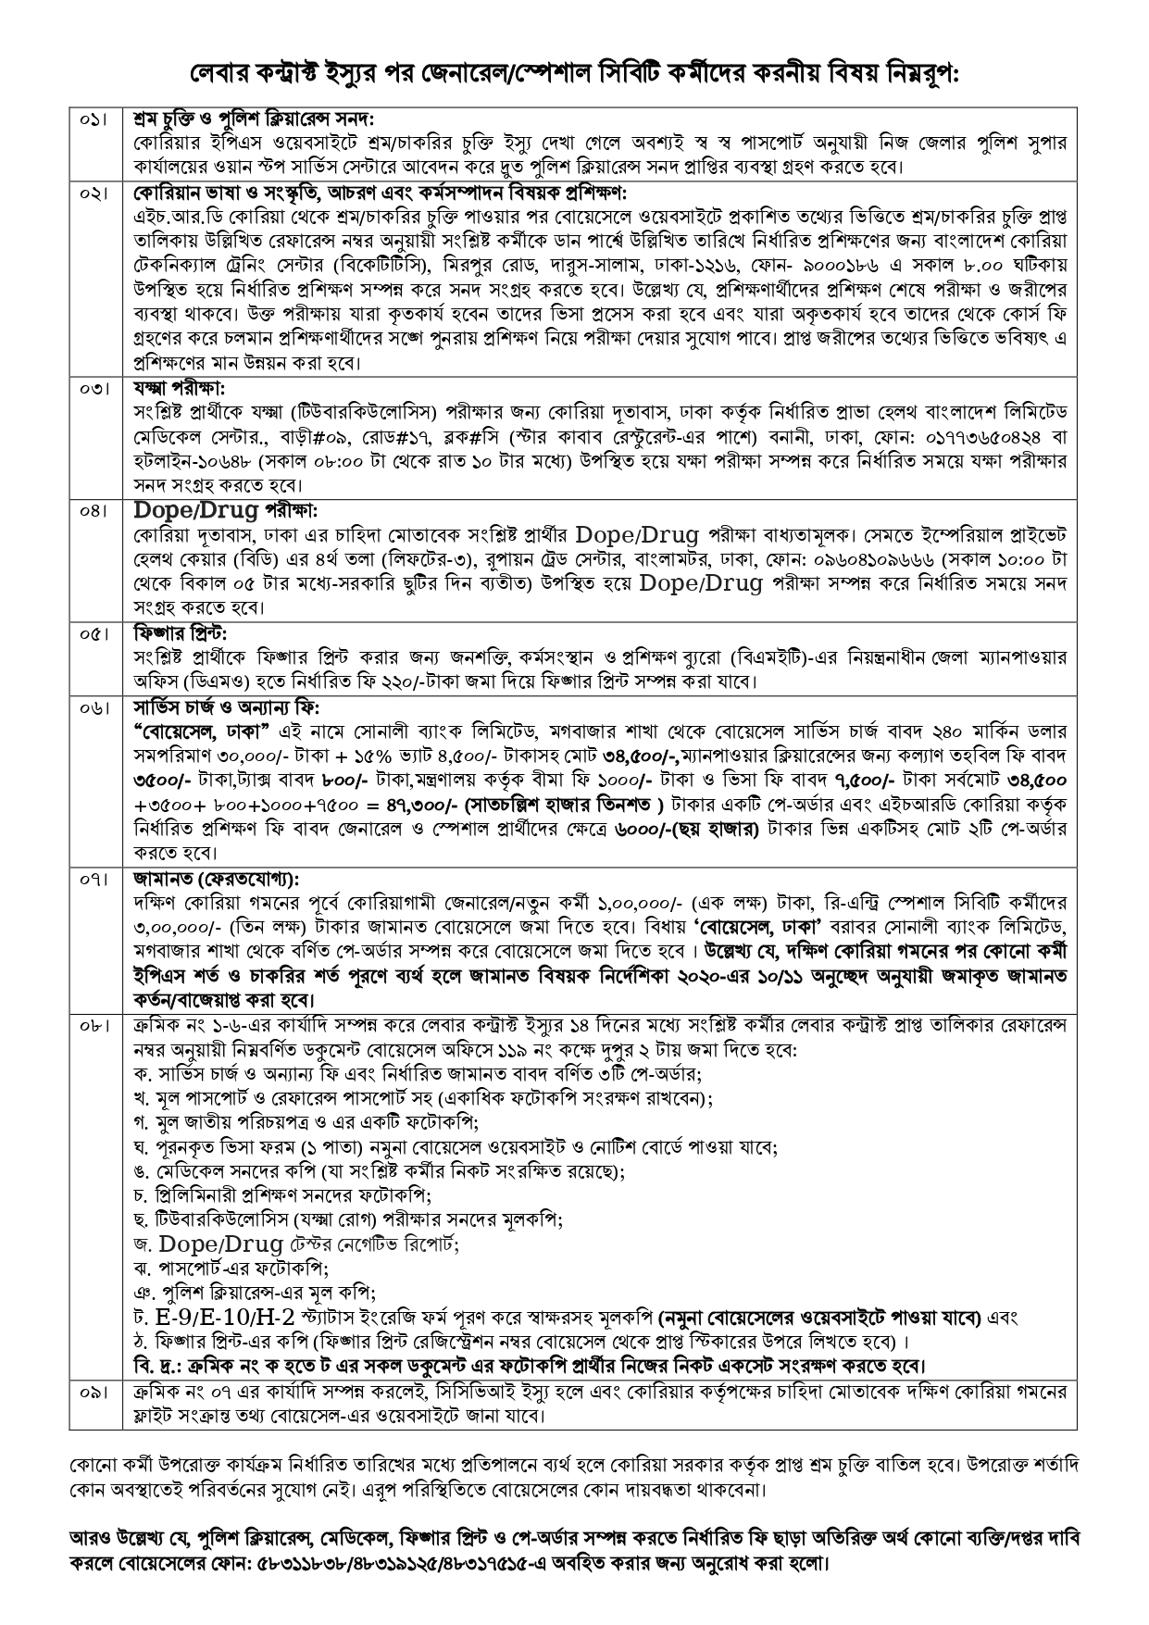

 | বি: দ্র: উপর্যুক্ত জব অফার/লেবার কন্ট্রাক্ট প্রাপ্ত কর্মীগণের মধ্যে যারা ইতোঃমধ্যে প্রিলিমিনারী প্রশিক্ষণ সম্পন্ন করেছেন তাঁরা অবশ্যই পাসপোর্ট ও ভিসা ফরমসহ সংশ্লিষ্ট ডকুমেন্ট দ্রুত বোয়েসেল জমা প্রদানের জন্য অনুরোধ করা হল।

 |  | বিঃ দ্রঃ ক্রমিক নং ০২ এ নির্ধারিত ব্যাংক হতে পে-অর্ডার সম্পন্ন করার পর অবশ্যই চেক করবেন পে-অর্ডারে উপর্যুক্ত নাম ও টাকার অংক ঠিক আছে কিনা। যদি ভুল হয় সঙ্গে সঙ্গে সংশ্লিষ্ট ব্যাংক হতে সংশোধন করতে হবে।

ভিসা ফরমসহ অন্যান্য গরুত্বপূর্ণ ডকুমেন্ট নিম্ন বর্ণিত লিংক এ পাওয়া যাবে:

 | ১। | ভিসা ফরম (http://www.boesl.gov.bd/site/page/6bff1dd6-44e7-48e4-9188-e83d3c5b4e53)
 | ২। | ভিসা ফরম পূরনের নমুনা (http://www.boesl.gov.bd/site/page/8014950a-8078-46c9-b694-8409757eecf5)
 | ৩। | E-9/E-10/H-2 স্ট্যাটাস সংক্রান্ত ফরম ও নমুনা (http://www.boesl.gov.bd/site/page/79b97453-4653-4fbb-9da2-f70fbfc303f9)
 | 4। | ফিঙ্গারপ্রিন্ট সংক্রান্ত (http://www.boesl.org.bd/UploadedDocument/NoticeboaedAttachments/613.pdf)
...

