Table-1.1_CPI_Point to Point
Table: 1.1 Consumer Price Index (CPI) and Inflation Rate (Point to Point)

CPI Classification | 2021-22 | 2022-23 | 2023-24 | (Base Index 2021-22 =100)
 |  |  |  | 2023-24 |  |  | 2024-25
 |  |  |  | Mar’24 | Apr’24 | May’24 | Mar'25 | Apr'25 | May'25
1 | 2 | 3 | 4 | 5 | 6 | 7 | 8 | 9 | 10
NATIONAL
General index | 306.18 | 109.02 | 119.63 | 121.60 | 122.30 | 122.04 | 132.98 | 133.50 | 133.08
Inflation | 6.15 | 9.02 | 9.73 | 9.81 | 9.74 | 9.89 | 9.35 | 9.17 | 9.05
Food index | 332.86 | 108.71 | 120.3 | 121.50 | 122.63 | 121.42 | 132.35 | 133.21 | 131.85
Inflation | 6.05 | 8.71 | 10.65 | 9.87 | 10.22 | 10.76 | 8.93 | 8.63 | 8.59
Non-food index | 271.98 | 109.39 | 119.08 | 121.69 | 122.02 | 122.54 | 133.49 | 133.74 | 134.09
Inflation | 6.31 | 9.39 | 8.86 | 9.64 | 9.34 | 9.19 | 9.70 | 9.61 | 9.42
RURAL
General index | 304.76 | 109.08 | 119.73 | 121.81 | 122.61 | 122.26 | 133.27 | 133.83 | 133.32
Inflation | 6.42 | 9.08 | 9.76 | 9.68 | 9.92 | 9.99 | 9.41 | 9.15 | 9.05
Food index | 326.34 | 108.79 | 120.41 | 121.89 | 123.14 | 121.90 | 132.64 | 133.48 | 132.02
Inflation | 6.51 | 8.79 | 10.67 | 9.86 | 10.25 | 10.73 | 8.81 | 8.40 | 8.30
Non-food index | 270.42 | 109.54 | 119.1 | 121.74 | 122.11 | 122.61 | 133.87 | 134.16 | 134.56
Inflation | 6.25 | 9.54 | 8.71 | 9.41 | 9.60 | 9.31 | 9.97 | 9.86 | 9.75
URBAN
General index | 308.81 | 108.87 | 119.3 | 121.10 | 121.61 | 121.50 | 132.79 | 133.28 | 133.05
Inflation | 5.66 | 8.87 | 9.57 | 9.94 | 9.46 | 9.72 | 9.66 | 9.59 | 9.50
Food index | 348.75 | 108.52 | 120.09 | 120.69 | 121.59 | 120.43 | 131.77 | 132.69 | 131.62
Inflation | 5.02 | 8.52 | 10.65 | 9.98 | 10.19 | 10.86 | 9.18 | 9.13 | 9.29
Non-food index | 274.07 | 109.13 | 118.81 | 121.35 | 121.63 | 122.17 | 133.42 | 133.64 | 133.94
Inflation | 6.38 | 9.13 | 8.87 | 9.71 | 9.01 | 9.03 | 9.95 | 9.88 | 9.63
Note : Figures in italics indicate inflation over previous year/month
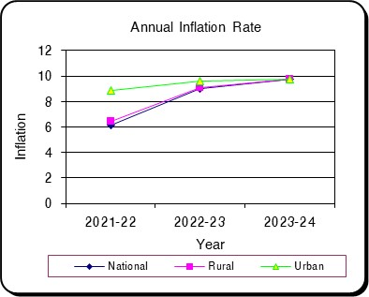
Monthly Inflation Rate
 | National | Rural | Urban
Mar'25 | 9.3534874761 | 9.4065719384 | 9.655432341
Apr'25 | 9.1660110049 | 9.1496179932 | 9.5910452986
May'25 | 9.0513701685 | 9.0473728826 | 9.5025785629

Table-1.2 Moving Average_CPI
Table 1.2 Monthly and Average Inflation Rate of CPI from Jun'24 to May'25 (12 Months Moving Average)
(2021-22=100)

12 Months Average |  | 12 Months Average |  | Inflation
Period | Average | Period | Average
Jun'23-May'24 | 118.72 | Jun'22-May'23 | 108.19 | 9.73
Jul'23-Jun'24 | 119.63 | Jul'22-Jun'23 | 109.02 | 9.73
Aug'23-Jul'24 | 120.73 | Aug'22-Jul'23 | 109.85 | 9.90
Sep'23-Aug'24 | 121.75 | Sep'22-Aug'23 | 110.73 | 9.95
Oct'23-Sep'24 | 122.73 | Oct'22-Sep'23 | 111.60 | 9.97
Nov'23-Oct'24 | 123.82 | Nov'22-Oct'23 | 112.51 | 10.05
Dec'23-Nov'24 | 124.95 | Dec'22-Nov'23 | 113.37 | 10.22
Jan'24-Dec'24 | 126.02 | Jan'23-Dec'23 | 114.22 | 10.34
Feb'24-Jan'25 | 127.01 | Feb'23-Jan'24 | 115.11 | 10.34
Mar'24-Feb'25 | 127.95 | Mar'23-Feb'24 | 115.99 | 10.30
Apr'24-Mar'25 | 128.90 | Apr'23-Mar'24 | 116.90 | 10.26
May'24-Apr'25 | 129.83 | May'23-Apr'24 | 117.80 | 10.21
Jun'24-May'25 | 130.75 | Jun'23-May'24 | 118.72 | 10.13
Jun'24-May'25 |  |  | 10.13

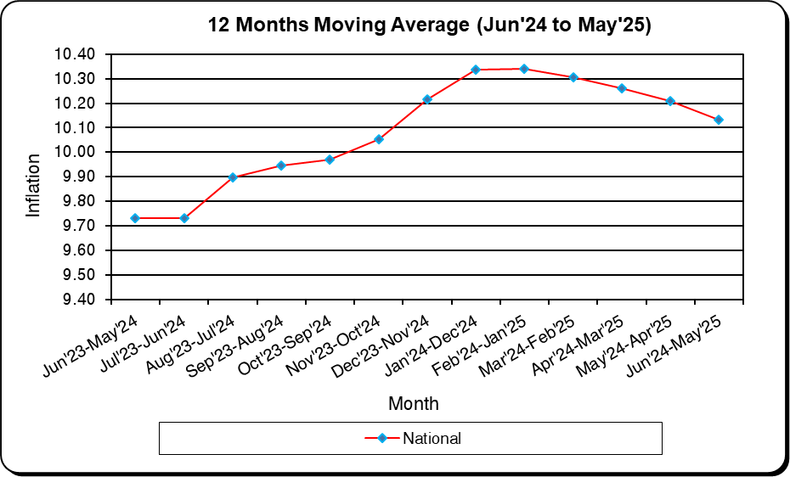
December
January
February
March
April
May
June
July
August
September
October
November
December
January
February

Table-1.3_CPI_National
Table: 1.3 Consumer Price Index (CPI): National (Over Previous Year/Month)

CPI Classification | 2021-22 | 2022-23 | 2023-24 | (Base Index 2021-22 =100)
 |  |  |  | 2023-24 |  |  | 2024-25
 |  |  |  | Mar’24 | Apr’24 | May’24 | Mar'25 | Apr'25 | May'25
1 | 2 | 3 | 4 | 5 | 6 | 7 | 8 | 9 | 10
General Index | 306.18 | 109.02 | 119.63 | 121.60 | 122.30 | 122.04 | 132.98 | 133.50 | 133.08
Inflation (Point to Point) | 6.15 | 9.02 | 9.73 | 9.81 | 9.74 | 9.89 | 9.35 | 9.17 | 9.05
Inflation (Over Previous Month) | * | * | * | 1.26 | 0.57 | -0.21 | 1.29 | 0.40 | -0.32
Food | 332.86 | 108.71 | 120.3 | 121.50 | 122.63 | 121.42 | 132.35 | 133.21 | 131.85
Inflation (Point to Point) | 6.05 | 8.71 | 10.65 | 9.87 | 10.22 | 10.76 | 8.93 | 8.63 | 8.59
Inflation (Over Previous Month) | * | * | * | 2.03 | 0.93 | -0.99 | 1.74 | 0.65 | -1.03
Non-Food | 271.98 | 109.39 | 119.08 | 121.69 | 122.02 | 122.54 | 133.49 | 133.74 | 134.09
Inflation (Point to Point) | 6.31 | 9.39 | 8.86 | 9.64 | 9.34 | 9.19 | 9.70 | 9.61 | 9.42
Inflation (Over Previous Month) | * | * | * | 0.63 | 0.27 | 0.42 | 0.93 | 0.19 | 0.26
Division Wise (COICOP)
01. Food and Nonalcoholic Beverages | 332.86 | 108.71 | 120.3 | 121.50 | 122.63 | 121.42 | 132.35 | 133.21 | 131.85
Inflation (Point to Point) | 6.05 | 8.71 | 10.65 | 9.87 | 10.22 | 10.76 | 8.93 | 8.63 | 8.59
Inflation (Over Previous Month) | * | * | * | 2.03 | 0.93 | -0.99 | 1.74 | 0.65 | -1.03
02. Alcoholic Beverages, Tobacco and Narcotics | * | * | 121.23 | 122.77 | 124.17 | 124.59 | 151.53 | 151.90 | 151.34
Inflation (Point to Point) | * | * | * | * | 7.22 | 6.38 | 23.43 | 22.33 | 21.48
Inflation (Over Previous Month) | * | * | * | 0.95 | 1.14 | 0.34 | -1.09 | 0.24 | -0.37
03. Clothing and Footwear | 320.14 | 106.71 | 115.73 | 117.96 | 118.30 | 118.34 | 135.31 | 135.75 | 136.51
Inflation (Point to Point) | 7.38 | 6.71 | 8.44 | 9.37 | 9.55 | 9.40 | 14.70 | 14.75 | 15.35
Inflation (Over Previous Month) | * | * | * | 0.48 | 0.29 | 0.03 | 4.46 | 0.33 | 0.56
04. Housing, Water, Electricity, Gas, and Other Fuels | 232.43 | 108.25 | 118.94 | 122.03 | 122.78 | 123.12 | 132.05 | 132.41 | 132.29
Inflation (Point to Point) | 1.81 | 8.25 | 9.89 | 11.93 | 9.90 | 9.53 | 8.21 | 7.85 | 7.45
Inflation (Over Previous Month) | * | * | * | 1.37 | 0.61 | 0.28 | 0.94 | 0.28 | -0.10
05. Furnishings, Household Equipment, and Routine Maintenance of the House | 320.3 | 109.68 | 123.81 | 126.26 | 126.70 | 126.85 | 137.02 | 137.35 | 137.97
Inflation (Point to Point) | 7.43 | 9.68 | 12.89 | 13.61 | 11.34 | 11.34 | 8.52 | 8.41 | 8.76
Inflation (Over Previous Month) | * | * | * | 0.24 | 0.35 | 0.12 | 0.54 | 0.24 | 0.45
06. Health | 253.62 | 114.09 | 118.23 | 122.84 | 122.84 | 123.06 | 128.70 | 128.74 | 128.94
Inflation (Point to Point) | 2.32 | 14.09 | 3.85 | 2.16 | 13.69 | 12.38 | 4.77 | 4.81 | 4.78
Inflation (Over Previous Month) | * | * | * | 0.37 | 0.00 | 0.18 | 0.84 | 0.03 | 0.15
07. Transportation | 313 | 109.67 | 117.62 | 119.20 | 119.17 | 119.33 | 127.17 | 127.32 | 127.26
Inflation (Point to Point) | 15.31 | 9.67 | 7.25 | 6.48 | 8.23 | 8.11 | 6.69 | 6.84 | 6.64
Inflation (Over Previous Month) | * | * | * | -0.09 | -0.03 | 0.14 | 0.42 | 0.12 | -0.05
08. Communication | * | * | 107.62 | 108.34 | 108.34 | 110.31 | 118.80 | 118.82 | 118.91
Inflation (Point to Point) | * | * | * | * | 1.60 | 3.45 | 9.65 | 9.67 | 7.79
Inflation (Over Previous Month) | * | * | * | 0.02 | 0.00 | 1.82 | 0.17 | 0.02 | 0.08
09. Recreation and Culture | 202.6 | 108.58 | 123.75 | 126.59 | 126.59 | 127.37 | 136.36 | 136.58 | 137.29
Inflation (Point to Point) | 4.64 | 8.58 | 14.01 | 17.23 | 10.65 | 11.09 | 7.72 | 7.89 | 7.78
Inflation (Over Previous Month) | * | * | * | 0.46 | 0.00 | 0.62 | 1.34 | 0.16 | 0.52
10. Education | * | * | 112.93 | 114.26 | 114.26 | 115.64 | 124.57 | 124.74 | 125.15
Inflation (Point to Point) | * | * | * | * | 4.58 | 5.73 | 9.02 | 9.17 | 8.22
Inflation (Over Previous Month) | * | * | * | 0.14 | 0.00 | 1.21 | 0.13 | 0.14 | 0.33
11. Restaurants and Hotels | * | * | 140.32 | 142.59 | 142.64 | 144.70 | 159.70 | 159.79 | 160.60
Inflation (Point to Point) | * | * | * | * | 7.38 | 5.95 | 12.00 | 12.03 | 10.99
Inflation (Over Previous Month) | * | * | * | 0.47 | 0.03 | 1.44 | 0.51 | 0.05 | 0.51
12. Miscellaneous Goods and Services | 312.28 | 112.05 | 122.53 | 127.38 | 127.35 | 128.25 | 143.05 | 143.24 | 145.99
Inflation (Point to Point) | 8.23 | 12.05 | 9.33 | 9.69 | 14.12 | 14.64 | 12.30 | 12.48 | 13.84
Inflation (Over Previous Month) | * | * | * | 1.13 | -0.03 | 0.71 | -0.04 | 0.13 | 1.92

Note : Figures in italics indicate inflation over previous year/month
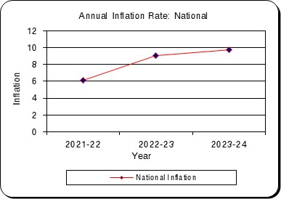
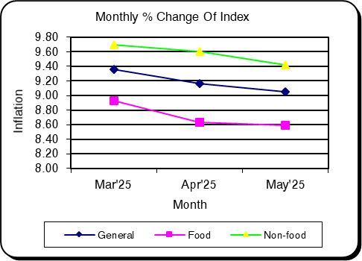

Table-1.4_CPI_Rural
Table: 1.4 Consumer Price Index (CPI): Rural (Over Previous Year/Month)

CPI Classification | 2021-22 | 2022-23 | 2023-24 | (Base Index 2021-22 =100)
 |  |  |  | 2023-24 |  |  | 2024-25
 |  |  |  | Mar’24 | Apr’24 | May’24 | Mar'25 | Apr'25 | May'25
1 | 2 | 3 | 4 | 5 | 6 | 7 | 8 | 9 | 10
General Index | 304.76 | 109.08 | 119.73 | 121.81 | 122.61 | 122.26 | 133.27 | 133.83 | 133.32
Inflation (Point to Point) | 6.42 | 9.08 | 9.76 | 9.68 | 9.92 | 9.99 | 9.41 | 9.15 | 9.05
Inflation (Over Previous Month) | * | * | * | 1.37 | 0.65 | -0.29 | 1.27 | 0.42 | -0.38
...
Inflation (Point to Point) | * | * | * | * | 2.76 | 4.71 | 9.42 | 9.49 | 7.68
Inflation (Over Previous Month) | * | * | * | 0.12 | 0.00 | 2.05 | 0.05 | 0.07 | 0.36
11. Restaurants and Hotels | * | * | 135.08 | 136.66 | 136.72 | 140.25 | 151.78 | 151.88 | 152.73
Inflation (Point to Point) | * | * | * | * | 6.40 | 4.61 | 11.07 | 11.09 | 8.89
Inflation (Over Previous Month) | * | * | * | 0.76 | 0.04 | 2.59 | 0.52 | 0.06 | 0.56
12. Miscellaneous Goods and Services | 332.14 | 111.24 | 120.42 | 124.31 | 124.29 | 125.32 | 139.81 | 140.06 | 143.02
Inflation (Point to Point) | 8.61 | 11.24 | 8.24 | 8.13 | 11.38 | 12.02 | 12.47 | 12.69 | 14.13
Inflation (Over Previous Month) | * | * | * | 1.22 | -0.02 | 0.82 | 0.38 | 0.18 | 2.11

Note : Figures in italics indicate inflation over previous year/month
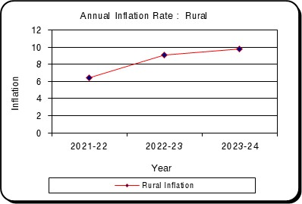
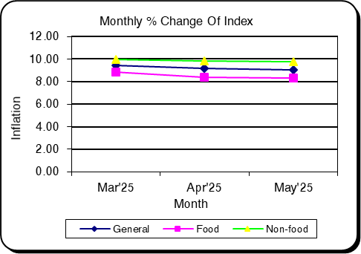

Table-1.5_CPI_Urban
...
CPI Classification | 2021-22 | 2022-23 | 2023-24 | (Base Index 2021-22 =100)
Inflation (Point to Point) | * | * | * | * | 7.79 | 7.65 | 10.90 | 11.16 | 11.48
Inflation (Over Previous Month) | * | * | * | 0.16 | 0.00 | 0.00 | 0.25 | 0.24 | 0.28
11. Restaurants and Hotels | * | * | 147.62 | 150.93 | 150.93 | 150.93 | 171.98 | 172.03 | 173.47
Inflation (Point to Point) | * | * | * | * | 8.12 | 7.39 | 13.95 | 13.98 | 14.93
Inflation (Over Previous Month) | * | * | * | 0.22 | 0.00 | 0.00 | 0.40 | 0.03 | 0.83
12. Miscellaneous Goods and Services | 287.76 | 113.16 | 124.68 | 130.39 | 130.33 | 131.04 | 147.31 | 147.42 | 149.80
Inflation (Point to Point) | 7.7 | 13.16 | 10.18 | 10.69 | 16.99 | 17.34 | 12.98 | 13.11 | 14.32
Inflation (Over Previous Month) | * | * | * | 0.98 | -0.04 | 0.54 | 0.32 | 0.07 | 1.61

Note : Figures in italics indicate inflation over previous year/month
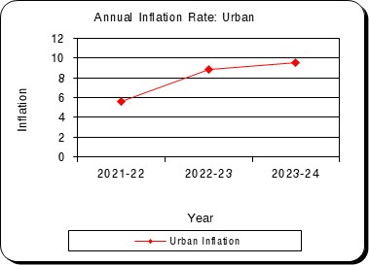
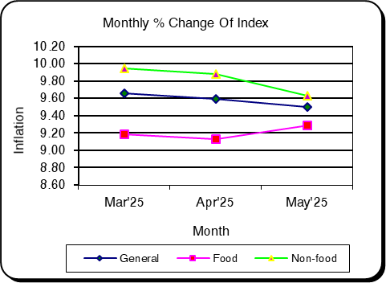

Table-2.1_WRI_National
...
Sector | 2021-22 | 2022-23 | 2023-24 | Mar'25 | Apr'25 | May'25
percentage change (Point to Point) | 4.41 | 5.57 | 8.26 | 7.82 | 7.87 | 7.91
percentage change(over previous month) |  |  |  | 0.55 | 0.22 | 0.33
II. Production | 214.87 | 234.79 | 117.69 | 130.51 | 130.82 | 131.50
percentage change (Point to Point) | 8.3 | 9.28 | 7.7 | 7.83 | 7.87 | 7.82
percentage change(over previous month) |  |  |  | 0.72 | 0.24 | 0.52
3. Service | 199.42 | 212.23 | 116.22 | 128.96 | 129.25 | 129.85
percentage change (Point to Point) | 6.32 | 7.31 | 8.29 | 8.40 | 8.42 | 8.45
percentage change(over previous month) |  |  |  | 0.63 | 0.22 | 0.46

Figure: 2.1 Figure: 2.2
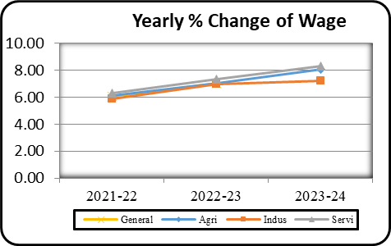
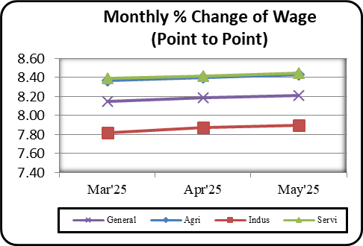

Table-2.2_WRI_Dhaka
...
Table: 2.2 Wage Rate Index by Sectors: Dhaka Division (Base Index: 2021-22=100)
percentage change (Point to Point) | 3.86 | 4.5 | 8.24 | 7.96 | 8.01 | 8.07
percentage change(over previous month) |  |  |  | 0.41 | 0.16 | 0.31
II. Production | 202.14 | 217.53 | 115.97 | 128.23 | 128.50 | 128.82
percentage change (Point to Point) | 7.63 | 7.63 | 7.76 | 8.02 | 8.12 | 8.16
percentage change(over previous month) |  |  |  | 0.58 | 0.21 | 0.25
3. Service | 200.28 | 211.37 | 111.75 | 124.50 | 124.67 | 124.99
percentage change (Point to Point) | 6 | 5.54 | 5.87 | 8.72 | 8.78 | 8.64
percentage change(over previous month) |  |  |  | 0.58 | 0.14 | 0.26

Figure: 2.3 Figure: 2.4
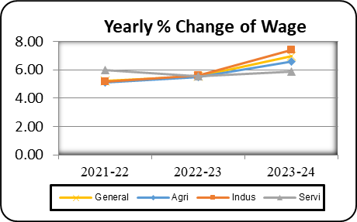
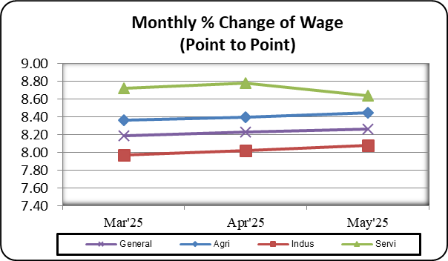

Table-2.3_WRI_Chattogram
...
Table: 2.3 Wage Rate Index by Sectors: Chattogram Division (Base Index: 2021-22=100)
percentage change (Point to Point) | 5.51 | 7.23 | 6.49 | 7.21 | 7.30 | 7.32
percentage change(over previous month) |  |  |  | 0.52 | 0.16 | 0.33
II. Production | 192.12 | 206.68 | 116.37 | 129.88 | 130.28 | 130.76
percentage change (Point to Point) | 5.78 | 7.57 | 8.16 | 8.69 | 8.76 | 8.64
percentage change(over previous month) |  |  |  | 0.66 | 0.31 | 0.37
3. Service | 194.39 | 210.68 | 115.12 | 128.23 | 128.37 | 129.20
percentage change (Point to Point) | 6.46 | 8.37 | 6.22 | 8.46 | 8.50 | 8.51
percentage change(over previous month) |  |  |  | 0.70 | 0.11 | 0.65

Figure: 2.5 Figure: 2.6
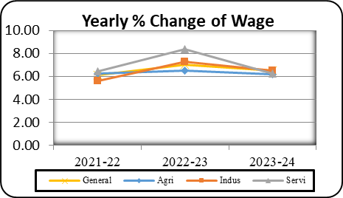
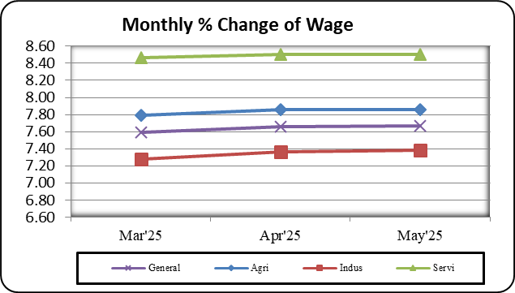

Table-2.4_WRI_Rajshahi
...
Table: 2.4 Wage Rate Index by Sectors: Rajshahi Division (Base Index: 2021-22=100)
percentage change (Point to Point) | 3.51 | 5.23 | 8.28 | 7.83 | 7.87 | 7.93
percentage change(over previous month) |  |  |  | 0.67 | 0.21 | 0.30
II. Production | 207.5 | 225.66 | 116.49 | 129.93 | 130.18 | 130.52
percentage change (Point to Point) | 9.01 | 8.79 | 7.33 | 8.50 | 8.53 | 8.49
percentage change(over previous month) |  |  |  | 0.79 | 0.19 | 0.26
3. Service | 198.39 | 214.96 | 117.17 | 129.87 | 130.19 | 130.93
percentage change (Point to Point) | 5.75 | 8.33 | 8.16 | 8.15 | 8.18 | 8.29
percentage change(over previous month) |  |  |  | 0.62 | 0.24 | 0.57

Figure: 2.7 Figure: 2.8
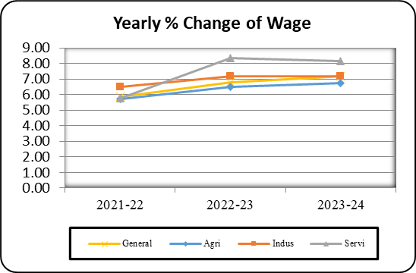
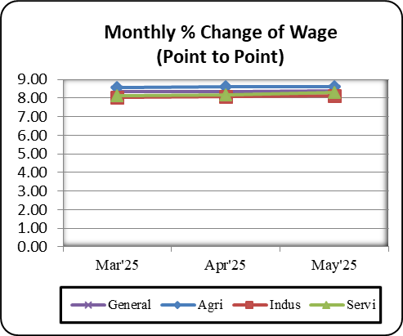

Table-2.5_WRI_Rangpur
...
Table: 2.5 Wage Rate Index by Sectors: Rangpur Division (Base Index: 2021-22=100)
percentage change (Point to Point) | 4.48 | 7.22 | 11.72 | 8.88 | 8.93 | 8.87
percentage change(over previous month) |  |  |  | 0.76 | 0.33 | 0.30
II. Production | 264.36 | 300.82 | 122.46 | 134.08 | 134.53 | 136.44
percentage change (Point to Point) | 11.41 | 13.75 | 7.63 | 5.23 | 5.24 | 5.09
percentage change(over previous month) |  |  |  | 0.76 | 0.34 | 1.42
3. Service | 226.52 | 259.15 | 125.08 | 138.46 | 139.20 | 140.13
percentage change (Point to Point) | 10 | 14.37 | 9.44 | 8.07 | 8.06 | 8.34
percentage change(over previous month) |  |  |  | 0.79 | 0.54 | 0.67

Figure: 2.9 Figure: 2.10
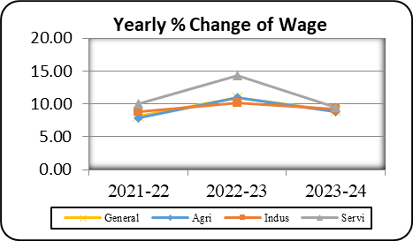
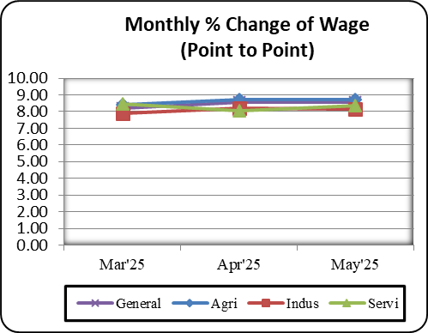

Table-2.6_WRI_Khulna
...
Table: 2.6 Wage Rate Index by Sectors: Khulna Division (Base Index: 2021-22=100)
percentage change (Point to Point) | 4.12 | 5.49 | 7.36 | 7.79 | 7.83 | 7.90
percentage change(over previous month) |  |  |  | 0.56 | 0.23 | 0.31
II. Production | 222.02 | 244.03 | 119.48 | 133.71 | 134.12 | 134.98
percentage change (Point to Point) | 7.44 | 9.17 | 8.68 | 8.44 | 8.50 | 8.48
percentage change(over previous month) |  |  |  | 0.80 | 0.31 | 0.64
3. Service | 203.92 | 223.51 | 118.16 | 131.09 | 131.33 | 131.93
percentage change (Point to Point) | 7.37 | 9.64 | 7.82 | 8.36 | 8.39 | 8.41
percentage change(over previous month) |  |  |  | 0.68 | 0.19 | 0.45

Figure: 2.11 Figure: 2.12
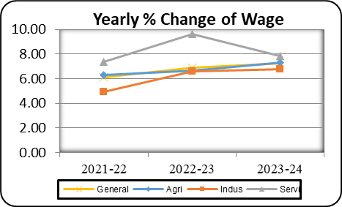
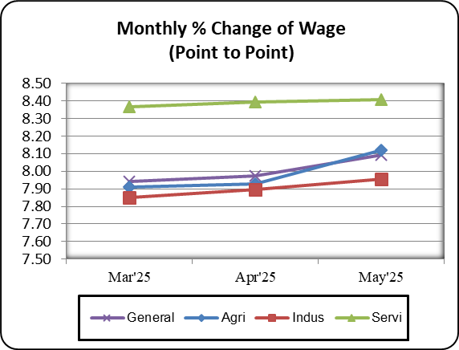

Table-2.7_WRI_Barishal
...
Table: 2.7 Wage Rate Index by Sectors: Barishal Division (Base Index: 2021-22=100)
percentage change (Point to Point) | 6.02 | 7.8 | 7.42 | 7.96 | 8.02 | 7.99
percentage change(over previous month) |  |  |  | 0.63 | 0.17 | 0.34
II. Production | 210.17 | 227.41 | 126.68 | 130.97 | 131.22 | 132.25
percentage change (Point to Point) | 5.74 | 8.2 | 8.69 | 8.46 | 8.52 | 8.50
percentage change(over previous month) |  |  |  | 0.81 | 0.19 | 0.79
3. Service | 207.07 | 227.66 | 127.42 | 130.55 | 130.64 | 131.74
percentage change (Point to Point) | 8.91 | 9.65 | 8.09 | 8.41 | 8.44 | 8.39
percentage change(over previous month) |  |  |  | 0.67 | 0.07 | 0.84

Figure: 2.13 Figure: 2.14
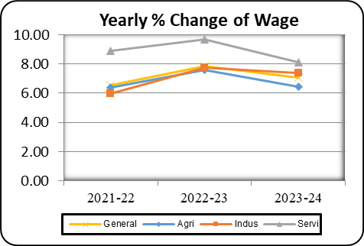
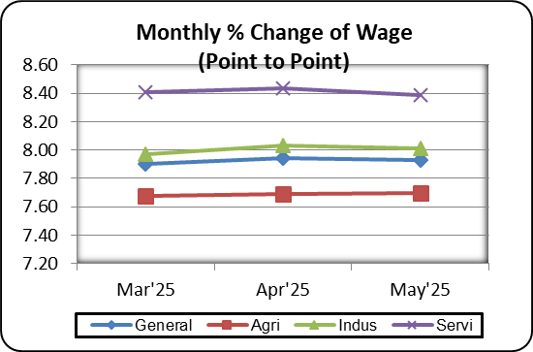

Table-2.8_WRI_Sylhet
...
Table: 2.8 Wage Rate Index by Sectors: Sylhet Division (Base Index: 2021-22=100)
percentage change (Point to Point) | 4.64 | 5.07 | 7.38 | 8.00 | 8.04 | 8.07
percentage change(over previous month) |  |  |  | 0.60 | 0.28 | 0.21
II. Production | 202.67 | 222.43 | 117.21 | 127.44 | 127.96 | 128.79
percentage change (Point to Point) | 4.87 | 7.9 | 6.84 | 4.20 | 4.23 | 4.61
percentage change(over previous month) |  |  |  | 0.42 | 0.41 | 0.65
3. Service | 198.17 | 212.51 | 113.43 | 126.00 | 126.29 | 126.50
percentage change (Point to Point) | 6.28 | 7.23 | 5.77 | 8.48 | 8.44 | 8.45
percentage change(over previous month) |  |  |  | 0.40 | 0.23 | 0.17

Figure: 2.15 Figure: 2.16
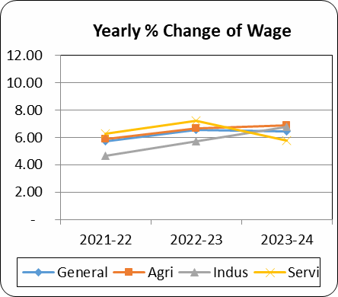
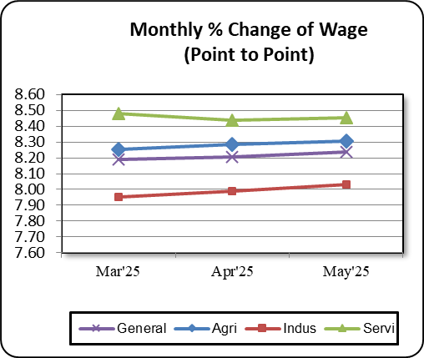

Table-2.9_WRI_Mymensingh
...
Table: 2.9 Wage Rate Index by Sectors: Mymensingh Division (Base Index: 2021-22=100)
percentage change (Point to Point) | - | - | - | 7.31 | 7.36 | 8.07
percentage change(over previous month) | - | - | - | 0.41 | 0.41 | 0.21
II. Production | 100 | - | 114.9 | 127.16 | 127.43 | 128.79
percentage change (Point to Point) | - | - | - | 8.38 | 8.43 | 4.61
percentage change(over previous month) | - | - | - | 0.47 | 0.21 | 0.65
3. Service | 100 | - | 113.25 | 124.25 | 124.46 | 126.50
percentage change (Point to Point) | - | - | - | 8.43 | 8.47 | 8.45
percentage change(over previous month) | - | - | - | 0.57 | 0.17 | 0.17

Figure: 2.17 Figure: 2.18
