Table-1.1_CPI_Point to Point
Table: 1.1 Consumer Price Index (CPI) and Inflation Rate (Point to Point)

CPI Classification | 2022-23 | 2023-24 | 2024-25 | (Base Index 2021-22 =100)
 |  |  |  | 2024-25 |  |  | 2025-26
 |  |  |  | Aug’24 | Sep’24 | Oct’24 | Aug'25 | Sep'25 | Oct'25
1 | 2 | 3 | 4 | 5 | 6 | 7 | 8 | 9 | 10
NATIONAL
General index | 109.02 | 119.63 | 131.62 | 129.34 | 130.61 | 133.32 | 140.06 | 141.53 | 144.21
Inflation | 9.02 | 9.73 | 10.03 | 10.49 | 9.92 | 10.87 | 8.29 | 8.36 | 8.17
Food index | 108.71 | 120.30 | 133.16 | 133.72 | 135.21 | 139.58 | 143.88 | 145.54 | 149.46
Inflation | 8.71 | 10.66 | 10.70 | 11.36 | 10.40 | 12.66 | 7.60 | 7.64 | 7.08
Non-food index | 109.39 | 119.08 | 130.37 | 125.77 | 126.87 | 128.22 | 136.96 | 138.26 | 139.93
Inflation | 9.39 | 8.86 | 9.47 | 9.74 | 9.50 | 9.34 | 8.90 | 8.98 | 9.13
RURAL
General index | 109.08 | 119.73 | 131.94 | 129.66 | 130.85 | 133.88 | 140.54 | 141.93 | 144.80
Inflation | 9.08 | 9.77 | 10.20 | 10.95 | 10.15 | 11.26 | 8.39 | 8.47 | 8.16
Food index | 108.79 | 120.41 | 133.12 | 133.46 | 134.80 | 139.38 | 143.47 | 144.97 | 149.04
Inflation | 8.79 | 10.68 | 10.56 | 11.44 | 10.38 | 12.75 | 7.50 | 7.54 | 6.94
Non-food index | 109.54 | 119.10 | 130.83 | 126.06 | 127.10 | 128.66 | 137.76 | 139.04 | 140.77
Inflation | 9.54 | 8.72 | 9.85 | 10.45 | 9.91 | 9.76 | 9.28 | 9.40 | 9.41
URBAN
General index | 108.87 | 119.30 | 131.28 | 128.94 | 130.39 | 132.48 | 139.57 | 141.18 | 143.51
Inflation | 8.87 | 9.58 | 10.05 | 10.01 | 9.83 | 10.44 | 8.24 | 8.28 | 8.33
Food index | 108.52 | 120.09 | 133.34 | 134.33 | 136.13 | 140.09 | 144.90 | 146.94 | 150.52
Inflation | 8.52 | 10.66 | 11.03 | 11.24 | 10.50 | 12.53 | 7.87 | 7.94 | 7.45
Non-food index | 109.13 | 118.81 | 130.00 | 125.59 | 126.81 | 127.75 | 136.25 | 137.59 | 139.15
Inflation | 9.13 | 8.87 | 9.43 | 9.20 | 9.38 | 9.06 | 8.49 | 8.51 | 8.92
Note : Figures in italics indicate inflation over previous year/month
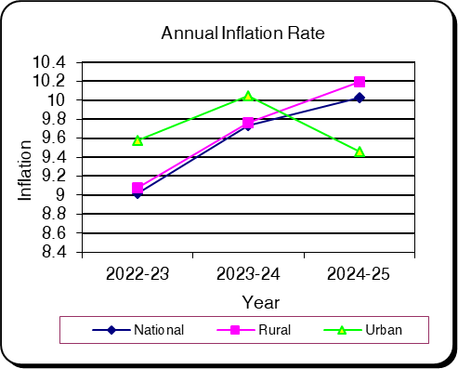
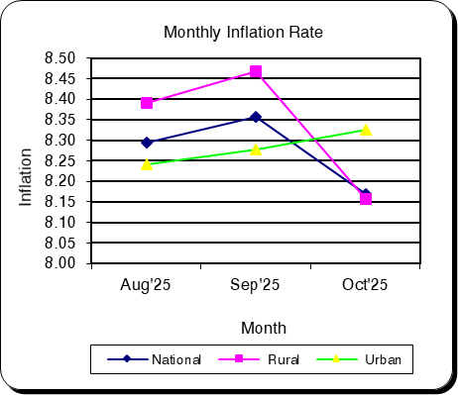

Table-1.2 Moving Average_CPI
Table 1.2 Monthly and Average Inflation Rate of CPI from Nov'24 to Oct'25 (12 Months Moving Average)
(2021-22=100)

12 Months Average |  | 12 Months Average |  | Inflation
Period | Average | Period | Average
Nov'23-Oct'24 | 123.82 | Nov'22-Oct'23 | 112.51 | 10.05
Dec'23-Nov'24 | 124.95 | Dec'22-Nov'23 | 113.37 | 10.22
Jan'24-Dec'24 | 126.02 | Jan'23-Dec'23 | 114.22 | 10.34
Feb'24-Jan'25 | 127.01 | Feb'23-Jan'24 | 115.11 | 10.34
Mar'24-Feb'25 | 127.95 | Mar'23-Feb'24 | 115.99 | 10.31
Apr'24-Mar'25 | 128.90 | Apr'23-Mar'24 | 116.90 | 10.26
May'24-Apr'25 | 129.83 | May'23-Apr'24 | 117.80 | 10.21
Jun'24-May'25 | 130.75 | Jun'23-May'24 | 118.72 | 10.13
Jul'24-Jun'25 | 131.62 | Jul'23-Jun'24 | 119.63 | 10.03
Aug'24-Jul'25 | 132.52 | Aug'23-Jul'24 | 120.73 | 9.77
Sep'24-Aug'25 | 133.41 | Sep'23-Aug'24 | 121.75 | 9.58
Oct'24-Sep'25 | 134.32 | Oct'23-Sep'24 | 122.73 | 9.45
Nov'24-Oct'25 | 135.23 | Nov'23-Oct'24 | 123.82 | 9.22
Nov'24-Oct'25 |  |  | 9.22

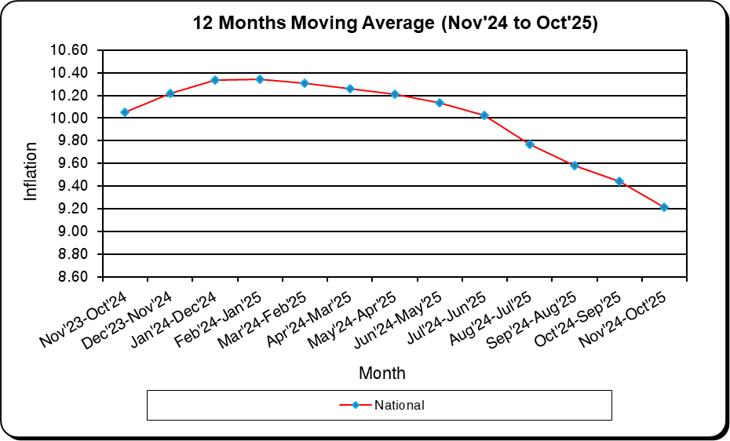
December
January
February
March
April
May
June
July
August
September
October
November
December
January
February

Table-1.3_CPI_National
Table: 1.3 Consumer Price Index (CPI): National (Over Previous Year/Month)

CPI Classification | 2022-23 | 2023-24 | 2024-25 | (Base Index 2021-22 =100)
 |  |  |  | 2024-25 |  |  | 2025-26
 |  |  |  | Aug’24 | Sep’24 | Oct’24 | Aug'25 | Sep'25 | Oct'25
1 | 2 | 3 | 4 | 5 | 6 | 7 | 8 | 9 | 10
General Index | 109.02 | 119.63 | 131.62 | 129.34 | 130.61 | 133.32 | 140.06 | 141.53 | 144.21
Inflation (Point to Point) | 9.02 | 9.73 | 10.03 | 10.49 | 9.92 | 10.87 | 8.29 | 8.36 | 8.17
Inflation (Over Previous Month) | * | * | * | 2.60 | 0.99 | 2.07 | 2.36 | 1.05 | 1.89
Food | 108.71 | 120.30 | 133.16 | 133.72 | 135.21 | 139.58 | 143.88 | 145.54 | 149.46
Inflation (Point to Point) | 8.71 | 10.66 | 10.70 | 11.36 | 10.40 | 12.66 | 7.60 | 7.64 | 7.08
Inflation (Over Previous Month) | * | * | * | 3.95 | 1.11 | 3.24 | 3.99 | 1.15 | 2.70
Non-Food | 109.39 | 119.08 | 130.37 | 125.77 | 126.87 | 128.22 | 136.96 | 138.26 | 139.93
Inflation (Point to Point) | 9.39 | 8.86 | 9.47 | 9.74 | 9.50 | 9.34 | 8.90 | 8.98 | 9.13
Inflation (Over Previous Month) | * | * | * | 1.46 | 0.88 | 1.06 | 1.01 | 0.95 | 1.21
Division Wise (COICOP)
01. Food and Nonalcoholic Beverages | 108.71 | 120.30 | 133.16 | 133.72 | 135.21 | 139.58 | 143.88 | 145.54 | 149.46
Inflation (Point to Point) | 8.71 | 10.66 | 10.70 | 11.36 | 10.40 | 12.66 | 7.60 | 7.64 | 7.08
Inflation (Over Previous Month) | * | * | * | 3.95 | 1.11 | 3.24 | 3.99 | 1.15 | 2.70
02. Alcoholic Beverages, Tobacco and Narcotics | * | 121.23 | 145.05 | 137.10 | 137.38 | 137.94 | 154.33 | 154.76 | 155.42
Inflation (Point to Point) | * | * | 19.64 | 18.13 | 15.15 | 15.60 | 12.57 | 12.65 | 12.67
Inflation (Over Previous Month) | * | * | * | 1.27 | 0.21 | 0.41 | 0.55 | 0.27 | 0.43
03. Clothing and Footwear | 106.71 | 115.73 | 128.78 | 122.64 | 122.86 | 124.15 | 139.68 | 139.94 | 140.99
Inflation (Point to Point) | 6.71 | 8.46 | 11.27 | 8.99 | 8.58 | 8.63 | 13.89 | 13.90 | 13.57
Inflation (Over Previous Month) | * | * | * | 3.24 | 0.18 | 1.04 | 1.54 | 0.19 | 0.75
04. Housing, Water, Electricity, Gas, and Other Fuels | 108.25 | 118.94 | 129.51 | 125.86 | 126.48 | 127.72 | 135.45 | 136.13 | 137.70
Inflation (Point to Point) | 8.25 | 9.87 | 8.89 | 10.59 | 9.99 | 9.39 | 7.62 | 7.63 | 7.81
Inflation (Over Previous Month) | * | * | * | 1.56 | 0.50 | 0.98 | 1.39 | 0.50 | 1.15
05. Furnishings, Household Equipment, and Routine Maintenance of the House | 109.68 | 123.81 | 134.07 | 129.17 | 130.80 | 132.51 | 139.65 | 140.96 | 142.83
Inflation (Point to Point) | 9.68 | 12.88 | 8.28 | 7.85 | 8.19 | 8.01 | 8.11 | 7.76 | 7.79
Inflation (Over Previous Month) | * | * | * | 1.64 | 1.26 | 1.30 | 0.57 | 0.93 | 1.33
06. Health | 114.09 | 118.23 | 127.27 | 125.66 | 125.88 | 126.71 | 130.45 | 130.73 | 131.88
Inflation (Point to Point) | 14.09 | 3.63 | 7.65 | 13.72 | 13.34 | 10.88 | 3.80 | 3.85 | 4.09
Inflation (Over Previous Month) | * | * | * | 0.93 | 0.17 | 0.66 | 0.65 | 0.22 | 0.88
07. Transportation | 109.67 | 117.62 | 124.95 | 120.70 | 123.37 | 123.83 | 128.86 | 131.15 | 132.25
Inflation (Point to Point) | 9.67 | 7.25 | 6.24 | 4.29 | 6.17 | 5.64 | 6.75 | 6.31 | 6.80
Inflation (Over Previous Month) | * | * | * | 0.76 | 2.21 | 0.38 | 0.45 | 1.78 | 0.84
08. Communication | * | 107.62 | 117.34 | 114.58 | 115.03 | 117.13 | 123.46 | 124.01 | 126.98
Inflation (Point to Point) | * | * | 9.03 | 9.64 | 8.64 | 9.81 | 7.74 | 7.81 | 8.41
Inflation (Over Previous Month) | * | * | * | 0.44 | 0.39 | 1.83 | 0.32 | 0.45 | 2.39
09. Recreation and Culture | 108.58 | 123.75 | 133.68 | 129.54 | 130.71 | 131.86 | 140.51 | 141.28 | 143.01
Inflation (Point to Point) | 8.58 | 13.97 | 8.03 | 9.14 | 7.83 | 7.91 | 8.47 | 8.09 | 8.45
Inflation (Over Previous Month) | * | * | * | 0.97 | 0.91 | 0.88 | 0.57 | 0.55 | 1.22
10. Education | * | 112.93 | 122.14 | 117.76 | 118.76 | 120.51 | 128.33 | 129.11 | 130.62
Inflation (Point to Point) | * | * | 8.16 | 7.37 | 6.81 | 7.48 | 8.97 | 8.71 | 8.38
Inflation (Over Previous Month) | * | * | * | 1.15 | 0.84 | 1.48 | 1.53 | 0.61 | 1.17
11. Restaurants and Hotels | * | 140.32 | 155.37 | 148.24 | 149.56 | 151.91 | 162.55 | 165.95 | 167.77
Inflation (Point to Point) | * | * | 10.73 | 9.76 | 9.77 | 10.69 | 9.65 | 10.96 | 10.44
Inflation (Over Previous Month) | * | * | * | 1.06 | 0.89 | 1.57 | 0.25 | 2.09 | 1.10
12. Miscellaneous Goods and Services | 112.05 | 122.53 | 139.87 | 132.23 | 134.23 | 137.75 | 152.11 | 156.93 | 161.75
Inflation (Point to Point) | 12.05 | 9.35 | 14.15 | 15.38 | 13.86 | 15.79 | 15.03 | 16.91 | 17.42
Inflation (Over Previous Month) | * | * | * | 1.85 | 1.51 | 2.62 | 1.71 | 3.17 | 3.07

Note : Figures in italics indicate inflation over previous year/month
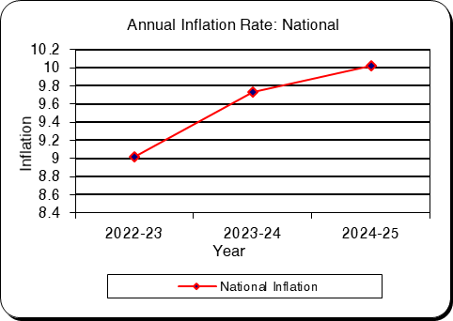
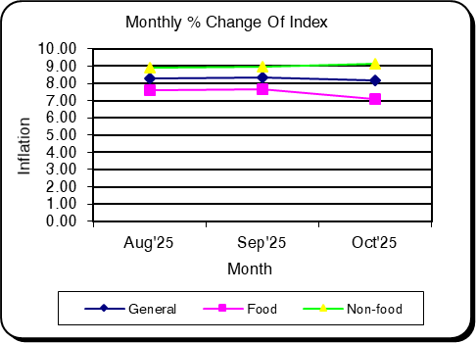

Table-1.4_CPI_Rural
Table: 1.4 Consumer Price Index (CPI): Rural (Over Previous Year/Month)

CPI Classification | 2022-23 | 2023-24 | 2024-25 | (Base Index 2021-22 =100)
 |  |  |  | 2024-25 |  |  | 2025-26
 |  |  |  | Aug’24 | Sep’24 | Oct’24 | Aug'25 | Sep'25 | Oct'25
1 | 2 | 3 | 4 | 5 | 6 | 7 | 8 | 9 | 10
General Index | 109.08 | 119.73 | 131.94 | 129.66 | 130.85 | 133.88 | 140.54 | 141.93 | 144.80
Inflation (Point to Point) | 9.08 | 9.77 | 10.20 | 10.95 | 10.15 | 11.26 | 8.39 | 8.47 | 8.16
...
Inflation (Point to Point) | * | * | 8.37 | 6.86 | 7.28 | 8.61 | 7.89 | 7.55 | 7.15
Inflation (Over Previous Month) | * | * | * | 1.96 | 0.70 | 1.47 | 1.75 | 0.38 | 1.09
11. Restaurants and Hotels | * | 135.08 | 148.63 | 143.26 | 144.52 | 146.18 | 154.74 | 159.48 | 160.57
Inflation (Point to Point) | * | * | 10.03 | 9.61 | 9.94 | 10.99 | 8.01 | 10.35 | 9.84
Inflation (Over Previous Month) | * | * | * | 1.04 | 0.88 | 1.15 | 0.03 | 3.07 | 0.69
12. Miscellaneous Goods and Services | 111.24 | 120.42 | 135.87 | 127.37 | 129.33 | 132.59 | 147.99 | 151.95 | 157.03
Inflation (Point to Point) | 11.24 | 8.26 | 12.83 | 12.94 | 10.15 | 12.51 | 16.19 | 17.50 | 18.43
Inflation (Over Previous Month) | * | * | * | 0.66 | 1.54 | 2.53 | 0.92 | 2.68 | 3.34

Note : Figures in italics indicate inflation over previous year/month
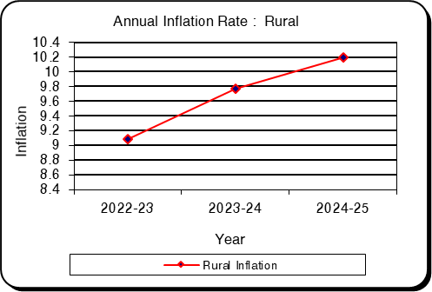
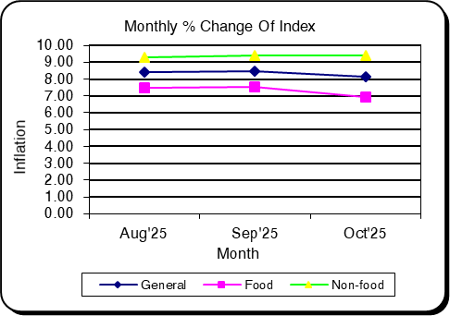

Table-1.5_CPI_Urban
...
CPI Classification | 2022-23 | 2023-24 | 2024-25 | (Base Index 2021-22 =100)
Inflation (Point to Point) | * | * | 10.15 | 10.53 | 8.41 | 8.47 | 11.05 | 10.91 | 10.69
Inflation (Over Previous Month) | * | * | * | 1.83 | 1.05 | 1.87 | 1.32 | 0.92 | 1.68
11. Restaurants and Hotels | * | 147.62 | 165.58 | 155.19 | 156.69 | 159.19 | 175.27 | 177.59 | 180.55
Inflation (Point to Point) | * | * | 12.16 | 9.88 | 9.52 | 9.93 | 12.94 | 13.34 | 13.42
Inflation (Over Previous Month) | * | * | * | 1.30 | 0.97 | 1.59 | 0.60 | 1.32 | 1.67
12. Miscellaneous Goods and Services | 113.16 | 124.68 | 144.31 | 137.58 | 139.71 | 143.30 | 157.20 | 163.63 | 167.96
Inflation (Point to Point) | 13.16 | 10.18 | 15.75 | 17.90 | 18.02 | 18.78 | 14.26 | 17.12 | 17.21
Inflation (Over Previous Month) | * | * | * | 3.39 | 1.55 | 2.57 | 2.62 | 4.09 | 2.65

Note : Figures in italics indicate inflation over previous year/month
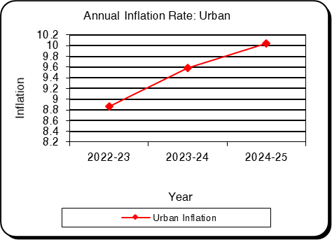
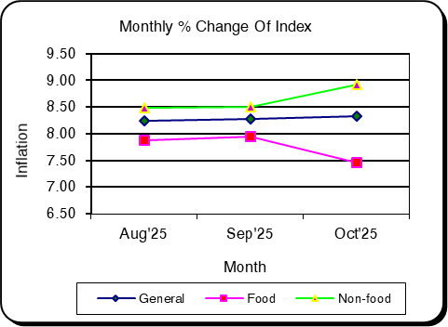

Table-2.1_WRI_National
...
Sector | 2022-23 | 2023-24 | 2024-25 | Aug'25 | Sep'25 | Oct'25
percentage change (Point to Point) | 5.57 | 8.26 | 7.71 | 7.76 | 7.70 | 7.68
percentage change(over previous month) |  |  |  | 0.61 | 0.95 | 0.98
II. Production | 234.79 | 117.69 | 127.03 | 132.48 | 133.53 | 134.79
percentage change (Point to Point) | 9.28 | 7.7 | 7.94 | 9.11 | 8.74 | 8.39
percentage change(over previous month) |  |  |  | 0.65 | 0.80 | 0.94
3. Service | 212.23 | 116.22 | 125.95 | 131.37 | 132.46 | 133.55
percentage change (Point to Point) | 7.31 | 8.29 | 8.38 | 8.37 | 8.22 | 8.19
percentage change(over previous month) |  |  |  | 0.54 | 0.84 | 0.82

Figure: 2.1 Figure: 2.2
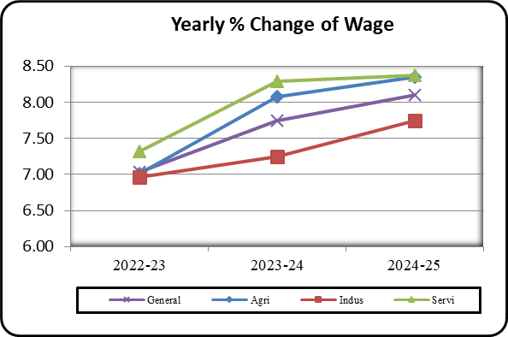
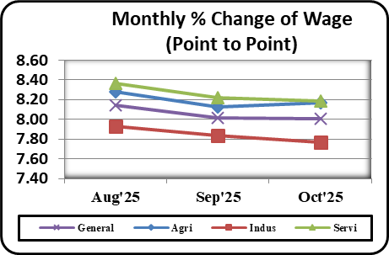

Table-2.2_WRI_Dhaka
...
Table: 2.2 Wage Rate Index by Sectors: Dhaka Division (Base Index: 2021-22=100)
percentage change (Point to Point) | 4.5 | 8.24 | 7.83 | 8.01 | 8.00 | 7.97
percentage change(over previous month) |  |  |  | 0.82 | 1.21 | 1.51
II. Production | 217.53 | 115.97 | 125.36 | 129.66 | 130.56 | 131.80
percentage change (Point to Point) | 7.63 | 7.76 | 8.10 | 7.52 | 7.36 | 7.33
percentage change(over previous month) |  |  |  | 0.41 | 0.70 | 0.95
3. Service | 211.37 | 111.75 | 121.30 | 126.54 | 128.00 | 129.75
percentage change (Point to Point) | 5.54 | 5.87 | 8.54 | 9.17 | 8.82 | 8.58
percentage change(over previous month) |  |  |  | 1.07 | 1.16 | 1.36

Figure: 2.3 Figure: 2.4
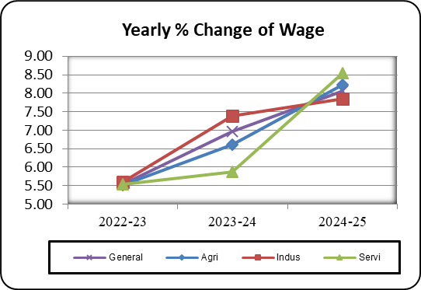
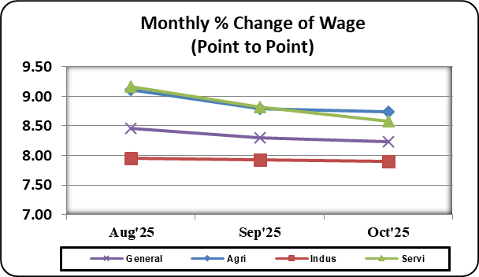

Table-2.3_WRI_Chattogram
...
Table: 2.3 Wage Rate Index by Sectors: Chattogram Division (Base Index: 2021-22=100)
percentage change (Point to Point) | 7.23 | 6.49 | 7.12 | 7.43 | 7.39 | 7.36
percentage change(over previous month) |  |  |  | 0.61 | 0.86 | 0.93
II. Production | 206.68 | 116.37 | 126.45 | 131.67 | 132.76 | 134.35
percentage change (Point to Point) | 7.57 | 8.16 | 8.66 | 9.05 | 8.82 | 8.52
percentage change(over previous month) |  |  |  | 0.41 | 0.83 | 1.20
3. Service | 210.68 | 115.12 | 124.83 | 130.81 | 132.24 | 133.27
percentage change (Point to Point) | 8.37 | 6.22 | 8.43 | 9.75 | 9.44 | 9.46
percentage change(over previous month) |  |  |  | 0.37 | 1.09 | 0.78

Figure: 2.5 Figure: 2.6
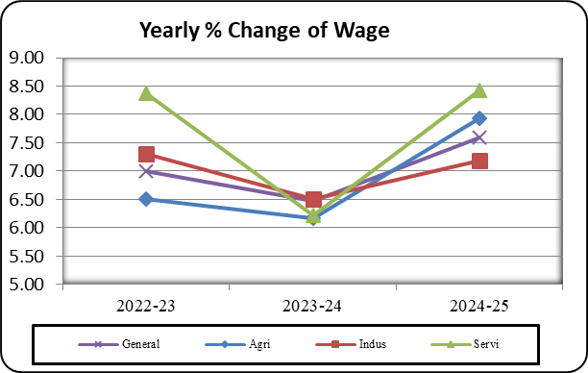
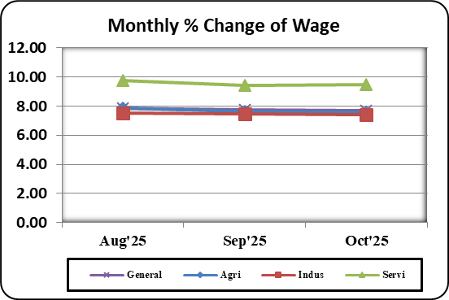

Table-2.4_WRI_Rajshahi
...
Table: 2.4 Wage Rate Index by Sectors: Rajshahi Division (Base Index: 2021-22=100)
percentage change (Point to Point) | 5.23 | 8.28 | 7.76 | 7.68 | 7.64 | 7.68
percentage change(over previous month) |  |  |  | 0.64 | 1.03 | 0.51
II. Production | 225.66 | 116.49 | 126.41 | 131.84 | 133.04 | 134.83
percentage change (Point to Point) | 8.79 | 7.33 | 8.27 | 9.28 | 8.80 | 7.98
percentage change(over previous month) |  |  |  | 1.01 | 0.91 | 1.34
3. Service | 214.96 | 117.17 | 126.89 | 132.06 | 133.02 | 133.76
percentage change (Point to Point) | 8.33 | 8.16 | 8.29 | 7.72 | 7.60 | 7.62
percentage change(over previous month) |  |  |  | 0.43 | 0.72 | 0.56

Figure: 2.7 Figure: 2.8
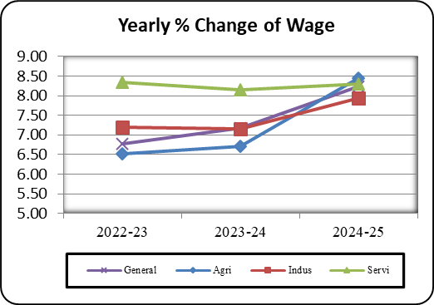
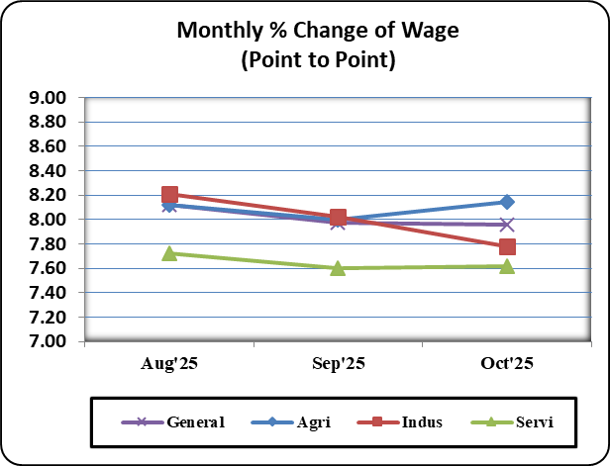

Table-2.5_WRI_Rangpur
...
Table: 2.5 Wage Rate Index by Sectors: Rangpur Division (Base Index: 2021-22=100)
percentage change (Point to Point) | 7.22 | 11.72 | 8.68 | 7.96 | 7.89 | 7.82
percentage change(over previous month) |  |  |  | 0.38 | 0.84 | 0.43
II. Production | 300.82 | 122.46 | 130.00 | 136.90 | 137.46 | 137.05
percentage change (Point to Point) | 13.75 | 7.63 | 6.20 | 9.86 | 9.64 | 10.29
percentage change(over previous month) |  |  |  | 0.26 | 0.41 | -0.30
3. Service | 259.15 | 125.08 | 135.54 | 141.95 | 142.58 | 143.41
percentage change (Point to Point) | 14.37 | 9.44 | 8.36 | 8.17 | 8.20 | 8.24
percentage change(over previous month) |  |  |  | 0.41 | 0.44 | 0.58

Figure: 2.9 Figure: 2.10
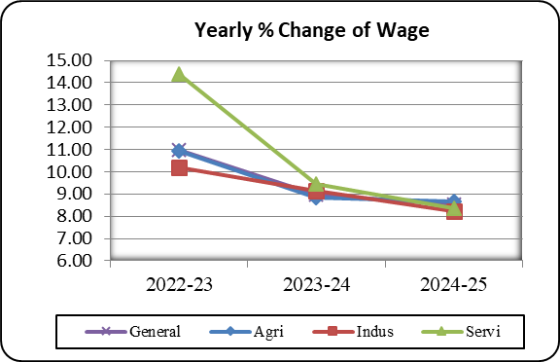
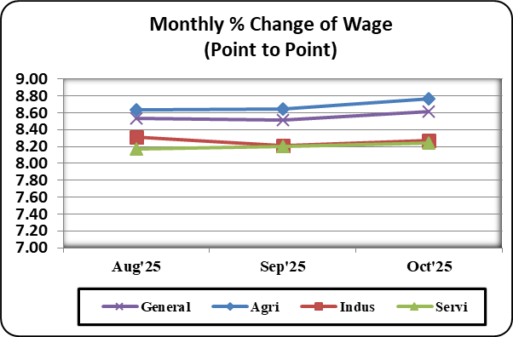

Table-2.6_WRI_Khulna
...
Table: 2.6 Wage Rate Index by Sectors: Khulna Division (Base Index: 2021-22=100)
percentage change (Point to Point) | 5.49 | 7.36 | 7.70 | 7.97 | 7.84 | 7.79
percentage change(over previous month) |  |  |  | 0.54 | 0.89 | 1.15
II. Production | 244.03 | 119.48 | 129.86 | 135.81 | 136.91 | 138.33
percentage change (Point to Point) | 9.17 | 8.68 | 8.70 | 10.36 | 9.68 | 9.09
percentage change(over previous month) |  |  |  | 0.45 | 0.81 | 1.04
3. Service | 223.51 | 118.16 | 127.85 | 133.14 | 134.01 | 135.04
percentage change (Point to Point) | 9.64 | 7.82 | 8.19 | 8.04 | 7.92 | 7.88
percentage change(over previous month) |  |  |  | 0.41 | 0.66 | 0.77

Figure: 2.11 Figure: 2.12
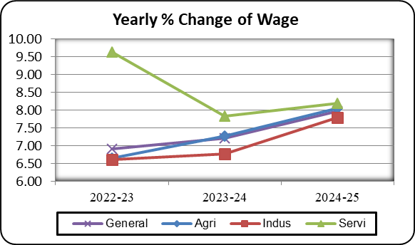
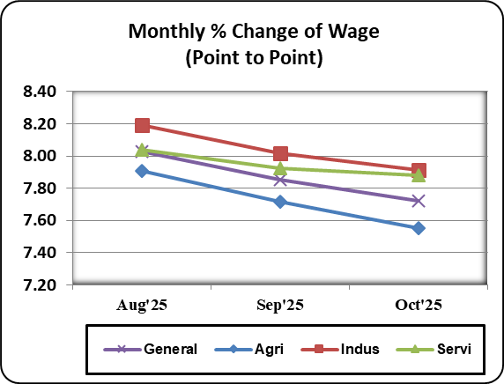

Table-2.7_WRI_Barishal
...
Table: 2.7 Wage Rate Index by Sectors: Barishal Division (Base Index: 2021-22=100)
percentage change (Point to Point) | 7.8 | 7.42 | 7.91 | 7.90 | 7.80 | 7.79
percentage change(over previous month) |  |  |  | 0.56 | 0.69 | 1.14
II. Production | 227.41 | 126.68 | 127.69 | 132.86 | 134.86 | 136.45
percentage change (Point to Point) | 8.2 | 8.69 | 8.55 | 9.96 | 9.46 | 8.82
percentage change(over previous month) |  |  |  | 0.20 | 1.51 | 1.18
3. Service | 227.66 | 127.42 | 128.09 | 133.44 | 134.26 | 135.45
percentage change (Point to Point) | 9.65 | 8.09 | 8.22 | 7.83 | 7.67 | 7.71
percentage change(over previous month) |  |  |  | 0.42 | 0.61 | 0.88

Figure: 2.13 Figure: 2.14
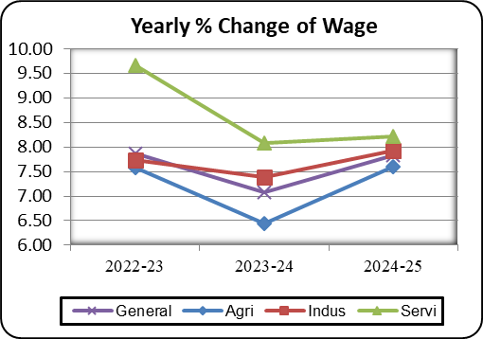
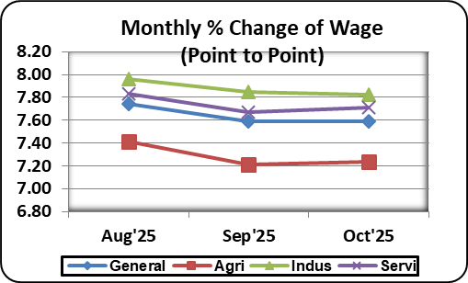

Table-2.8_WRI_Sylhet
...
Table: 2.8 Wage Rate Index by Sectors: Sylhet Division (Base Index: 2021-22=100)
I. Construction | 190.88 | 112.82 | 121.76 | 127.00 | 128.09 | 129.04
percentage change (Point to Point) | 5.07 | 7.38 | 7.92 | 7.71 | 7.61 | 7.51
percentage change(over previous month) |  |  |  | 0.61 | 0.86 | 0.74
II. Production | 222.43 | 117.21 | 123.84 | 129.16 | 130.36 | 131.46
percentage change (Point to Point) | 7.9 | 6.84 | 5.70 | 9.66 | 9.43 | 9.14
percentage change(over previous month) |  |  |  | 0.18 | 0.93 | 0.84
3. Service | 212.51 | 113.43 | 123.11 | 128.11 | 129.37 | 130.23
percentage change (Point to Point) | 7.23 | 5.77 | 8.53 | 8.14 | 8.11 | 8.18
percentage change(over previous month) |  |  |  | 0.44 | 0.98 | 0.66

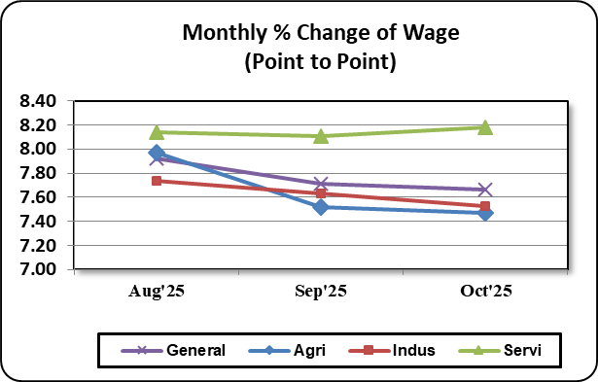
Figure: 2.15 Figure: 2.16
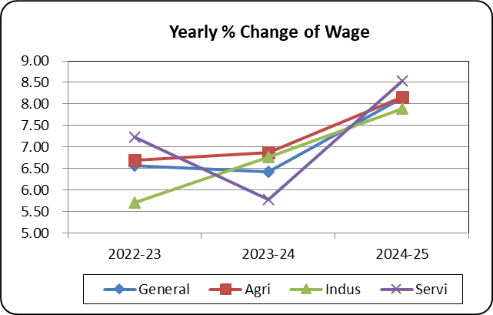

Table-2.9_WRI_Mymensingh
...
Table: 2.9 Wage Rate Index by Sectors: Mymensingh Division (Base Index: 2021-22=100)
percentage change (Point to Point) | - | - | 7.24 | 7.37 | 7.31 | 7.30
percentage change(over previous month) | - | - |  | 0.42 | 0.81 | 0.92
II. Production | - | 114.9 | 124.36 | 128.76 | 130.45 | 131.75
percentage change (Point to Point) | - | - | 8.23 | 8.21 | 8.00 | 7.86
percentage change(over previous month) | - | - |  | 0.42 | 1.31 | 1.00
3. Service | - | 113.25 | 122.47 | 126.83 | 127.59 | 128.57
percentage change (Point to Point) | - | - | 8.14 | 6.24 | 6.20 | 6.21
percentage change(over previous month) | - | - |  | 0.46 | 0.60 | 0.77

Figure: 2.17 Figure: 2.18
