Table-1.1_CPI_Point to Point
Table: 1.1 Consumer Price Index (CPI) and Inflation Rate (Point to Point)

CPI Classification | 2022-23 | 2023-24 | 2024-25 | (Base Index 2021-22 =100)
 |  |  |  | 2024-25 |  |  | 2025-26
 |  |  |  | Oct’24 | Nov’24 | Dec’24 | Oct'25 | Nov'25 | Dec'25
1 | 2 | 3 | 4 | 5 | 6 | 7 | 8 | 9 | 10
NATIONAL
General index | 109.02 | 119.63 | 131.62 | 133.32 | 132.66 | 131.30 | 144.21 | 143.65 | 142.44
Inflation | 9.02 | 9.73 | 10.03 | 10.87 | 11.38 | 10.89 | 8.17 | 8.29 | 8.49
Food index | 108.71 | 120.30 | 133.16 | 139.58 | 136.61 | 132.65 | 149.46 | 146.66 | 142.88
Inflation | 8.71 | 10.66 | 10.70 | 12.66 | 13.80 | 12.92 | 7.08 | 7.36 | 7.71
Non-food index | 109.39 | 119.08 | 130.37 | 128.22 | 129.44 | 130.19 | 139.93 | 141.20 | 142.08
Inflation | 9.39 | 8.86 | 9.47 | 9.34 | 9.39 | 9.26 | 9.13 | 9.08 | 9.13
RURAL
General index | 109.08 | 119.73 | 131.94 | 133.88 | 132.99 | 131.69 | 144.80 | 143.98 | 142.86
Inflation | 9.08 | 9.77 | 10.20 | 11.26 | 11.53 | 11.09 | 8.16 | 8.26 | 8.48
Food index | 108.79 | 120.41 | 133.12 | 139.38 | 136.18 | 132.56 | 149.04 | 146.08 | 142.72
Inflation | 8.79 | 10.68 | 10.56 | 12.75 | 13.41 | 12.63 | 6.94 | 7.27 | 7.67
Non-food index | 109.54 | 119.10 | 130.83 | 128.66 | 129.97 | 130.87 | 140.77 | 141.99 | 143.00
Inflation | 9.54 | 8.72 | 9.85 | 9.76 | 9.72 | 9.65 | 9.41 | 9.24 | 9.26
URBAN
General index | 108.87 | 119.30 | 131.28 | 132.48 | 132.26 | 130.79 | 143.51 | 143.36 | 141.98
Inflation | 8.87 | 9.58 | 10.05 | 10.44 | 11.37 | 10.84 | 8.33 | 8.39 | 8.55
Food index | 108.52 | 120.09 | 133.34 | 140.09 | 137.60 | 132.92 | 150.52 | 148.06 | 143.38
Inflation | 8.52 | 10.66 | 11.03 | 12.53 | 14.63 | 13.56 | 7.45 | 7.61 | 7.87
Non-food index | 109.13 | 118.81 | 130.00 | 127.75 | 128.94 | 129.47 | 139.15 | 140.42 | 141.10
Inflation | 9.13 | 8.87 | 9.43 | 9.06 | 9.31 | 9.17 | 8.92 | 8.91 | 8.99
Note : Figures in italics indicate inflation over previous year/month
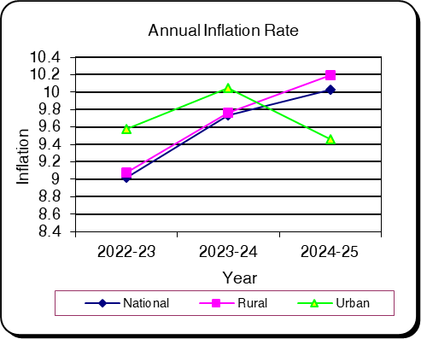
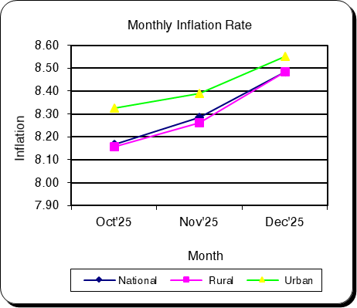

Table-1.2 Moving Average_CPI
Table 1.2 Monthly and Average Inflation Rate of CPI from Jan'25 to Dec'25 (12 Months Moving Average)
(2021-22=100)

12 Months Average |  | 12 Months Average |  | Inflation
Period | Average | Period | Average
Jan'24-Dec'24 | 126.02 | Jan'23-Dec'23 | 114.22 | 10.34
Feb'24-Jan'25 | 127.01 | Feb'23-Jan'24 | 115.11 | 10.34
Mar'24-Feb'25 | 127.95 | Mar'23-Feb'24 | 115.99 | 10.31
Apr'24-Mar'25 | 128.90 | Apr'23-Mar'24 | 116.90 | 10.26
May'24-Apr'25 | 129.83 | May'23-Apr'24 | 117.80 | 10.21
Jun'24-May'25 | 130.75 | Jun'23-May'24 | 118.72 | 10.13
Jul'24-Jun'25 | 131.62 | Jul'23-Jun'24 | 119.63 | 10.03
Aug'24-Jul'25 | 132.52 | Aug'23-Jul'24 | 120.73 | 9.77
Sep'24-Aug'25 | 133.41 | Sep'23-Aug'24 | 121.75 | 9.58
Oct'24-Sep'25 | 134.32 | Oct'23-Sep'24 | 122.73 | 9.45
Nov'24-Oct'25 | 135.23 | Nov'23-Oct'24 | 123.82 | 9.22
Dec'24-Nov'25 | 136.15 | Dec'23-Nov'24 | 124.95 | 8.96
Jan'25-Dec'25 | 137.07 | Jan'24-Dec'24 | 126.02 | 8.77
Jan'25-Dec'25 |  |  | 8.77
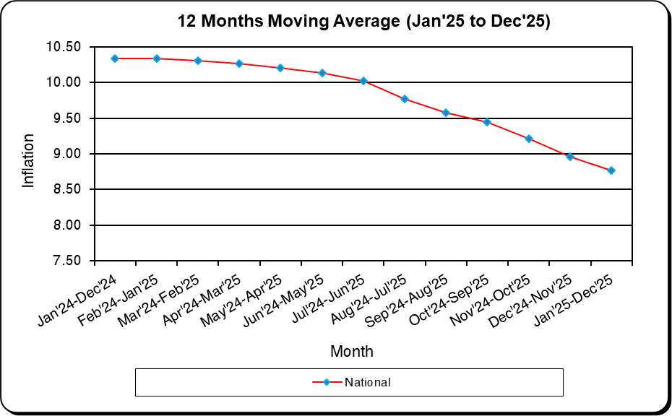

December
January
February
March
April
May
June
July
August
September
October
November
December
January
February

Table-1.3_CPI_National
Table: 1.3 Consumer Price Index (CPI): National (Over Previous Year/Month)

CPI Classification | 2022-23 | 2023-24 | 2024-25 | (Base Index 2021-22 =100)
 |  |  |  | 2024-25 |  |  | 2025-26
 |  |  |  | Oct’24 | Nov’24 | Dec’24 | Oct'25 | Nov'25 | Dec'25
1 | 2 | 3 | 4 | 5 | 6 | 7 | 8 | 9 | 10
General Index | 109.02 | 119.63 | 131.62 | 133.32 | 132.66 | 131.30 | 144.21 | 143.65 | 142.44
Inflation (Point to Point) | 9.02 | 9.73 | 10.03 | 10.87 | 11.38 | 10.89 | 8.17 | 8.29 | 8.49
Inflation (Over Previous Month) | * | * | * | 2.07 | -0.50 | -1.02 | 1.89 | -0.39 | -0.84
Food | 108.71 | 120.30 | 133.16 | 139.58 | 136.61 | 132.65 | 149.46 | 146.66 | 142.88
Inflation (Point to Point) | 8.71 | 10.66 | 10.70 | 12.66 | 13.80 | 12.92 | 7.08 | 7.36 | 7.71
Inflation (Over Previous Month) | * | * | * | 3.24 | -2.13 | -2.89 | 2.70 | -1.88 | -2.57
Non-Food | 109.39 | 119.08 | 130.37 | 128.22 | 129.44 | 130.19 | 139.93 | 141.20 | 142.08
Inflation (Point to Point) | 9.39 | 8.86 | 9.47 | 9.34 | 9.39 | 9.26 | 9.13 | 9.08 | 9.13
Inflation (Over Previous Month) | * | * | * | 1.06 | 0.95 | 0.58 | 1.21 | 0.91 | 0.62
Division Wise (COICOP)
01. Food and Nonalcoholic Beverages | 108.71 | 120.30 | 133.16 | 139.58 | 136.61 | 132.65 | 149.46 | 146.66 | 142.88
Inflation (Point to Point) | 8.71 | 10.66 | 10.70 | 12.66 | 13.80 | 12.92 | 7.08 | 7.36 | 7.71
Inflation (Over Previous Month) | * | * | * | 3.24 | -2.13 | -2.89 | 2.70 | -1.88 | -2.57
02. Alcoholic Beverages, Tobacco and Narcotics | * | 121.23 | 145.05 | 137.94 | 139.50 | 139.99 | 155.42 | 156.39 | 156.99
Inflation (Point to Point) | * | * | 19.64 | 15.60 | 16.80 | 17.13 | 12.67 | 12.10 | 12.14
Inflation (Over Previous Month) | * | * | * | 0.41 | 1.13 | 0.35 | 0.43 | 0.62 | 0.39
03. Clothing and Footwear | 106.71 | 115.73 | 128.78 | 124.15 | 126.33 | 127.48 | 140.99 | 142.04 | 142.92
Inflation (Point to Point) | 6.71 | 8.46 | 11.27 | 8.63 | 8.99 | 9.69 | 13.57 | 12.43 | 12.11
Inflation (Over Previous Month) | * | * | * | 1.04 | 1.76 | 0.91 | 0.75 | 0.74 | 0.62
04. Housing, Water, Electricity, Gas, and Other Fuels | 108.25 | 118.94 | 129.51 | 127.72 | 129.40 | 129.97 | 137.70 | 139.25 | 140.33
Inflation (Point to Point) | 8.25 | 9.87 | 8.89 | 9.39 | 9.60 | 9.67 | 7.81 | 7.62 | 7.97
Inflation (Over Previous Month) | * | * | * | 0.98 | 1.31 | 0.44 | 1.15 | 1.13 | 0.77
05. Furnishings, Household Equipment, and Routine Maintenance of the House | 109.68 | 123.81 | 134.07 | 132.51 | 133.36 | 133.64 | 142.83 | 143.30 | 143.75
Inflation (Point to Point) | 9.68 | 12.88 | 8.28 | 8.01 | 7.07 | 6.96 | 7.79 | 7.46 | 7.56
Inflation (Over Previous Month) | * | * | * | 1.30 | 0.64 | 0.21 | 1.33 | 0.33 | 0.31
06. Health | 114.09 | 118.23 | 127.27 | 126.71 | 126.85 | 127.19 | 131.88 | 132.00 | 132.11
Inflation (Point to Point) | 14.09 | 3.63 | 7.65 | 10.88 | 10.50 | 5.17 | 4.09 | 4.05 | 3.87
Inflation (Over Previous Month) | * | * | * | 0.66 | 0.11 | 0.26 | 0.88 | 0.08 | 0.09
07. Transportation | 109.67 | 117.62 | 124.95 | 123.83 | 124.51 | 125.23 | 132.25 | 133.70 | 134.34
Inflation (Point to Point) | 9.67 | 7.25 | 6.24 | 5.64 | 5.66 | 6.08 | 6.80 | 7.38 | 7.28
Inflation (Over Previous Month) | * | * | * | 0.38 | 0.55 | 0.57 | 0.84 | 1.10 | 0.48
08. Communication | * | 107.62 | 117.34 | 117.13 | 117.37 | 117.48 | 126.98 | 127.34 | 127.63
Inflation (Point to Point) | * | * | 9.03 | 9.81 | 9.99 | 9.72 | 8.41 | 8.49 | 8.64
Inflation (Over Previous Month) | * | * | * | 1.83 | 0.21 | 0.09 | 2.39 | 0.29 | 0.23
09. Recreation and Culture | 108.58 | 123.75 | 133.68 | 131.86 | 133.16 | 133.41 | 143.01 | 144.19 | 144.64
Inflation (Point to Point) | 8.58 | 13.97 | 8.03 | 7.91 | 7.75 | 7.92 | 8.45 | 8.29 | 8.41
Inflation (Over Previous Month) | * | * | * | 0.88 | 0.98 | 0.19 | 1.22 | 0.82 | 0.31
10. Education | * | 112.93 | 122.14 | 120.51 | 121.32 | 122.59 | 130.62 | 131.54 | 131.92
Inflation (Point to Point) | * | * | 8.16 | 7.48 | 8.09 | 9.14 | 8.38 | 8.42 | 7.61
Inflation (Over Previous Month) | * | * | * | 1.48 | 0.67 | 1.04 | 1.17 | 0.71 | 0.29
11. Restaurants and Hotels | * | 140.32 | 155.37 | 151.91 | 154.17 | 155.93 | 167.77 | 170.17 | 170.55
Inflation (Point to Point) | * | * | 10.73 | 10.69 | 11.04 | 12.13 | 10.44 | 10.37 | 9.37
Inflation (Over Previous Month) | * | * | * | 1.57 | 1.49 | 1.14 | 1.10 | 1.43 | 0.22
12. Miscellaneous Goods and Services | 112.05 | 122.53 | 139.87 | 137.75 | 138.68 | 140.22 | 161.75 | 164.39 | 167.85
Inflation (Point to Point) | 12.05 | 9.35 | 14.15 | 15.79 | 14.78 | 14.85 | 17.42 | 18.54 | 19.70
Inflation (Over Previous Month) | * | * | * | 2.62 | 0.68 | 1.11 | 3.07 | 1.63 | 2.10

Note : Figures in italics indicate inflation over previous year/month
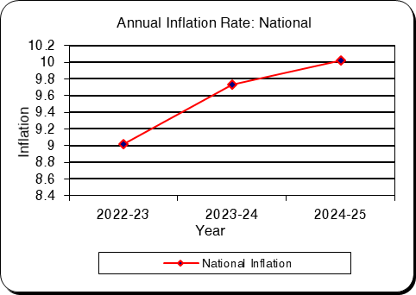
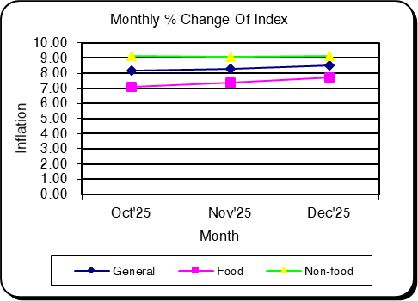

Table-1.4_CPI_Rural
Table: 1.4 Consumer Price Index (CPI): Rural (Over Previous Year/Month)

CPI Classification | 2022-23 | 2023-24 | 2024-25 | (Base Index 2021-22 =100)
 |  |  |  | 2024-25 |  |  | 2025-26
 |  |  |  | Oct’24 | Nov’24 | Dec’24 | Oct'25 | Nov'25 | Dec'25
1 | 2 | 3 | 4 | 5 | 6 | 7 | 8 | 9 | 10
General Index | 109.08 | 119.73 | 131.94 | 133.88 | 132.99 | 131.69 | 144.80 | 143.98 | 142.86
Inflation (Point to Point) | 9.08 | 9.77 | 10.20 | 11.26 | 11.53 | 11.09 | 8.16 | 8.26 | 8.48
Inflation (Over Previous Month) | * | * | * | 2.32 | -0.66 | -0.98 | 2.02 | -0.56 | -0.77
...
Inflation (Point to Point) | * | * | 8.37 | 8.61 | 9.33 | 10.10 | 7.15 | 7.03 | 6.36
Inflation (Over Previous Month) | * | * | * | 1.47 | 0.79 | 0.78 | 1.09 | 0.68 | 0.15
11. Restaurants and Hotels | * | 135.08 | 148.63 | 146.18 | 147.20 | 149.42 | 160.57 | 161.18 | 161.53
Inflation (Point to Point) | * | * | 10.03 | 10.99 | 10.81 | 12.24 | 9.84 | 9.50 | 8.11
Inflation (Over Previous Month) | * | * | * | 1.15 | 0.70 | 1.51 | 0.69 | 0.38 | 0.22
12. Miscellaneous Goods and Services | 111.24 | 120.42 | 135.87 | 132.59 | 133.72 | 135.30 | 157.03 | 159.92 | 163.67
Inflation (Point to Point) | 11.24 | 8.26 | 12.83 | 12.51 | 11.79 | 13.02 | 18.43 | 19.59 | 20.97
Inflation (Over Previous Month) | * | * | * | 2.53 | 0.85 | 1.18 | 3.34 | 1.84 | 2.34

Note : Figures in italics indicate inflation over previous year/month
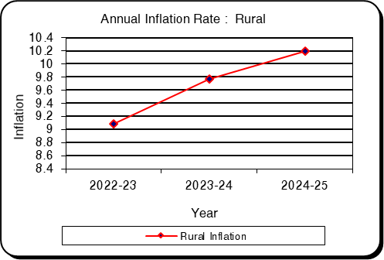
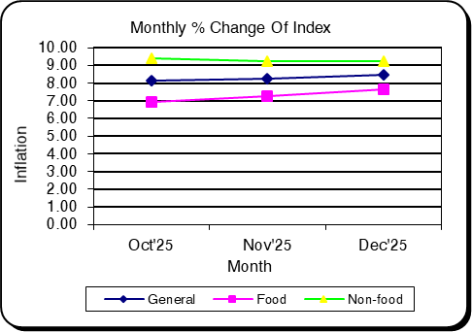

Table-1.5_CPI_Urban
...
CPI Classification | 2022-23 | 2023-24 | 2024-25 | (Base Index 2021-22 =100)
Inflation (Point to Point) | * | * | 10.15 | 8.47 | 8.83 | 10.29 | 10.69 | 10.70 | 9.68
Inflation (Over Previous Month) | * | * | * | 1.87 | 0.49 | 1.41 | 1.68 | 0.50 | 0.47
11. Restaurants and Hotels | * | 147.62 | 165.58 | 159.19 | 164.51 | 165.57 | 180.55 | 185.68 | 186.17
Inflation (Point to Point) | * | * | 12.16 | 9.93 | 11.97 | 12.56 | 13.42 | 12.87 | 12.44
Inflation (Over Previous Month) | * | * | * | 1.59 | 3.34 | 0.65 | 1.67 | 2.84 | 0.26
12. Miscellaneous Goods and Services | 113.16 | 124.68 | 144.31 | 143.30 | 143.93 | 145.36 | 167.96 | 170.15 | 173.03
Inflation (Point to Point) | 13.16 | 10.18 | 15.75 | 18.78 | 17.35 | 16.96 | 17.21 | 18.21 | 19.03
Inflation (Over Previous Month) | * | * | * | 2.57 | 0.44 | 0.99 | 2.65 | 1.30 | 1.70

Note : Figures in italics indicate inflation over previous year/month
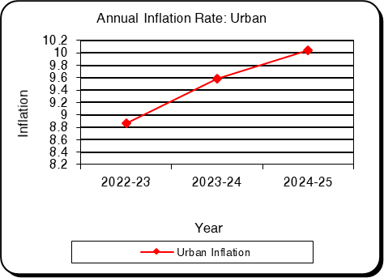
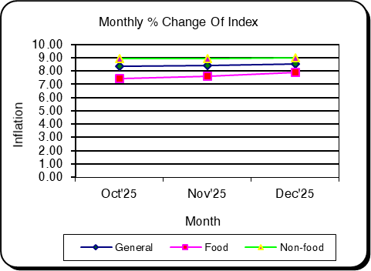

Table-2.1_WRI_National
...
Sector | 2022-23 | 2023-24 | 2024-25 | Oct'25 | Nov'25 | Dec'25
percentage change (Point to Point) | 5.57 | 8.26 | 7.71 | 7.68 | 7.81 | 7.87
percentage change(over previous month) |  |  |  | 0.98 | 1.06 | 0.73
II. Production | 234.79 | 117.69 | 127.03 | 134.79 | 136.39 | 137.49
percentage change (Point to Point) | 9.28 | 7.7 | 7.94 | 8.39 | 8.27 | 8.22
percentage change(over previous month) |  |  |  | 0.94 | 1.19 | 0.81
3. Service | 212.23 | 116.22 | 125.95 | 133.55 | 135.07 | 136.12
percentage change (Point to Point) | 7.31 | 8.29 | 8.38 | 8.19 | 8.22 | 8.24
percentage change(over previous month) |  |  |  | 0.82 | 1.14 | 0.78

Figure: 2.1 Figure: 2.2
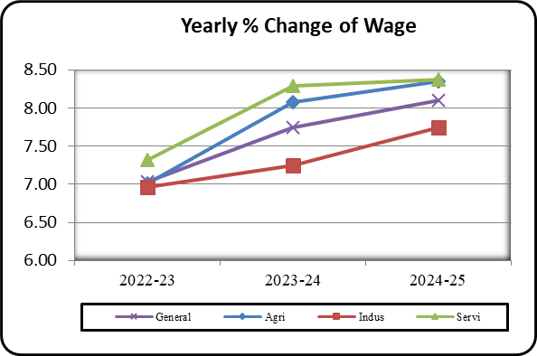
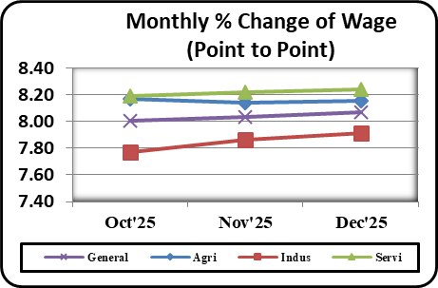

Table-2.2_WRI_Dhaka
...
Table: 2.2 Wage Rate Index by Sectors: Dhaka Division (Base Index: 2021-22=100)
percentage change (Point to Point) | 4.5 | 8.24 | 7.83 | 7.97 | 8.09 | 8.17
percentage change(over previous month) |  |  |  | 1.51 | 0.91 | 0.60
II. Production | 217.53 | 115.97 | 125.36 | 131.80 | 133.97 | 135.11
percentage change (Point to Point) | 7.63 | 7.76 | 8.10 | 7.33 | 7.34 | 7.44
percentage change(over previous month) |  |  |  | 0.95 | 1.65 | 0.84
3. Service | 211.37 | 111.75 | 121.30 | 129.75 | 131.20 | 132.46
percentage change (Point to Point) | 5.54 | 5.87 | 8.54 | 8.58 | 8.66 | 8.75
percentage change(over previous month) |  |  |  | 1.36 | 1.12 | 0.96

Figure: 2.3 Figure: 2.4
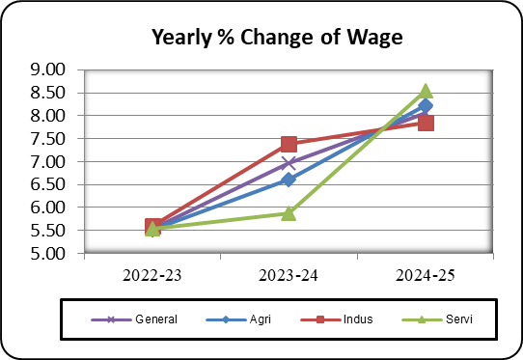
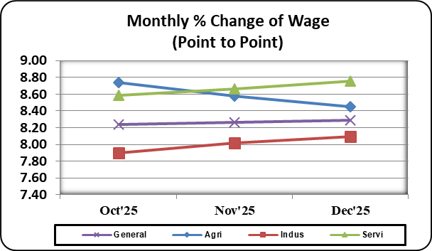

Table-2.3_WRI_Chattogram
...
Table: 2.3 Wage Rate Index by Sectors: Chattogram Division (Base Index: 2021-22=100)
percentage change (Point to Point) | 7.23 | 6.49 | 7.12 | 7.36 | 7.47 | 7.49
percentage change(over previous month) |  |  |  | 0.93 | 1.07 | 0.87
II. Production | 206.68 | 116.37 | 126.45 | 134.35 | 136.32 | 137.40
percentage change (Point to Point) | 7.57 | 8.16 | 8.66 | 8.52 | 8.55 | 8.61
percentage change(over previous month) |  |  |  | 1.20 | 1.47 | 0.79
3. Service | 210.68 | 115.12 | 124.83 | 133.27 | 134.88 | 136.20
percentage change (Point to Point) | 8.37 | 6.22 | 8.43 | 9.46 | 9.51 | 9.08
percentage change(over previous month) |  |  |  | 0.78 | 1.21 | 0.98

Figure: 2.5 Figure: 2.6
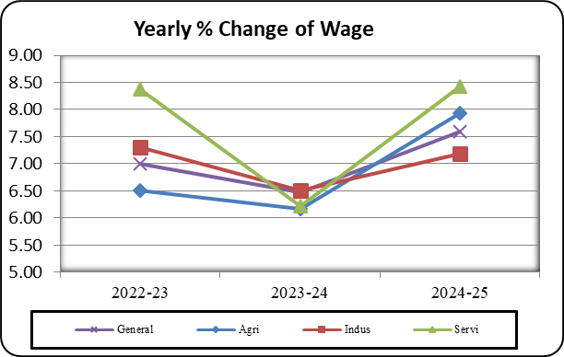
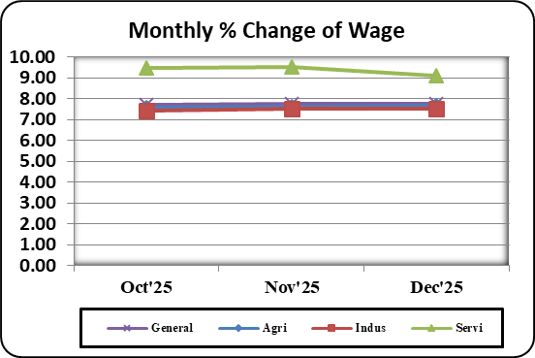

Table-2.4_WRI_Rajshahi
...
Table: 2.4 Wage Rate Index by Sectors: Rajshahi Division (Base Index: 2021-22=100)
percentage change (Point to Point) | 5.23 | 8.28 | 7.76 | 7.68 | 7.85 | 7.88
percentage change(over previous month) |  |  |  | 0.51 | 0.67 | 0.67
II. Production | 225.66 | 116.49 | 126.41 | 134.83 | 135.78 | 136.70
percentage change (Point to Point) | 8.79 | 7.33 | 8.27 | 7.98 | 8.02 | 8.08
percentage change(over previous month) |  |  |  | 1.34 | 0.71 | 0.68
3. Service | 214.96 | 117.17 | 126.89 | 133.76 | 134.81 | 136.08
percentage change (Point to Point) | 8.33 | 8.16 | 8.29 | 7.62 | 7.67 | 7.72
percentage change(over previous month) |  |  |  | 0.56 | 0.79 | 0.94

Figure: 2.7 Figure: 2.8
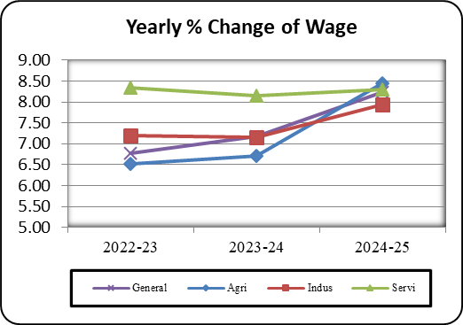
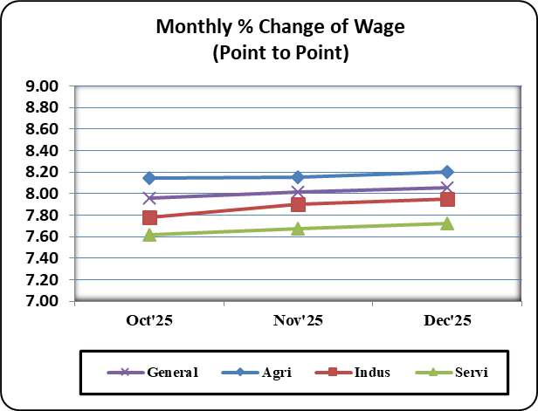

Table-2.5_WRI_Rangpur
...
Table: 2.5 Wage Rate Index by Sectors: Rangpur Division (Base Index: 2021-22=100)
percentage change (Point to Point) | 7.22 | 11.72 | 8.68 | 7.82 | 7.93 | 8.13
percentage change(over previous month) |  |  |  | 0.43 | 1.53 | 0.70
II. Production | 300.82 | 122.46 | 130.00 | 137.05 | 139.15 | 140.31
percentage change (Point to Point) | 13.75 | 7.63 | 6.20 | 10.29 | 9.48 | 8.86
percentage change(over previous month) |  |  |  | -0.30 | 1.53 | 0.84
3. Service | 259.15 | 125.08 | 135.54 | 143.41 | 145.13 | 145.94
percentage change (Point to Point) | 14.37 | 9.44 | 8.36 | 8.24 | 8.28 | 8.48
percentage change(over previous month) |  |  |  | 0.58 | 1.20 | 0.56

Figure: 2.9 Figure: 2.10
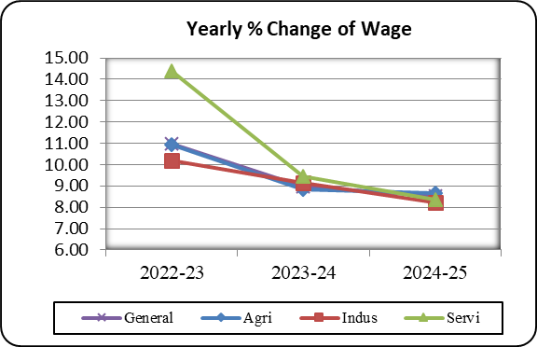
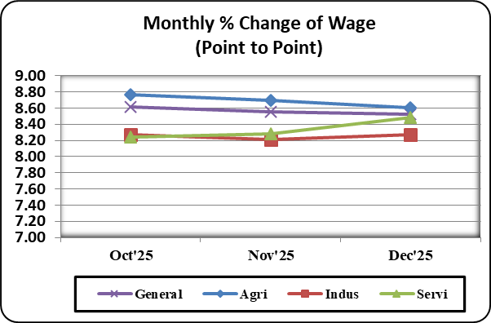

Table-2.6_WRI_Khulna
...
Table: 2.6 Wage Rate Index by Sectors: Khulna Division (Base Index: 2021-22=100)
percentage change (Point to Point) | 5.49 | 7.36 | 7.70 | 7.79 | 7.81 | 7.83
percentage change(over previous month) |  |  |  | 1.15 | 1.09 | 0.75
II. Production | 244.03 | 119.48 | 129.86 | 138.33 | 140.44 | 142.15
percentage change (Point to Point) | 9.17 | 8.68 | 8.70 | 9.09 | 8.96 | 8.94
percentage change(over previous month) |  |  |  | 1.04 | 1.53 | 1.22
3. Service | 223.51 | 118.16 | 127.85 | 135.04 | 136.64 | 137.45
percentage change (Point to Point) | 9.64 | 7.82 | 8.19 | 7.88 | 7.94 | 8.06
percentage change(over previous month) |  |  |  | 0.77 | 1.18 | 0.60

Figure: 2.11 Figure: 2.12
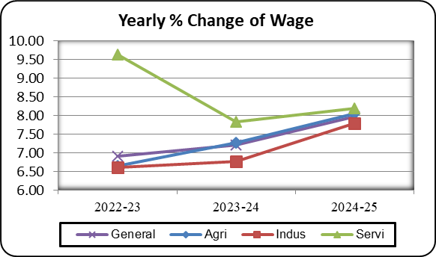
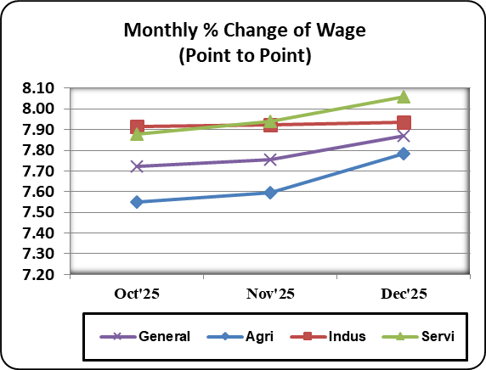

Table-2.7_WRI_Barishal
...
Table: 2.7 Wage Rate Index by Sectors: Barishal Division (Base Index: 2021-22=100)
percentage change (Point to Point) | 7.8 | 7.42 | 7.91 | 7.79 | 8.00 | 8.06
percentage change(over previous month) |  |  |  | 1.14 | 1.43 | 1.02
II. Production | 227.41 | 126.68 | 127.69 | 136.45 | 138.61 | 140.04
percentage change (Point to Point) | 8.2 | 8.69 | 8.55 | 8.82 | 8.76 | 8.96
percentage change(over previous month) |  |  |  | 1.18 | 1.59 | 1.03
3. Service | 227.66 | 127.42 | 128.09 | 135.45 | 136.78 | 138.39
percentage change (Point to Point) | 9.65 | 8.09 | 8.22 | 7.71 | 7.73 | 7.78
percentage change(over previous month) |  |  |  | 0.88 | 0.98 | 1.18

Figure: 2.13 Figure: 2.14
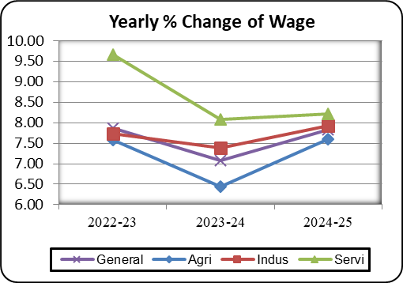
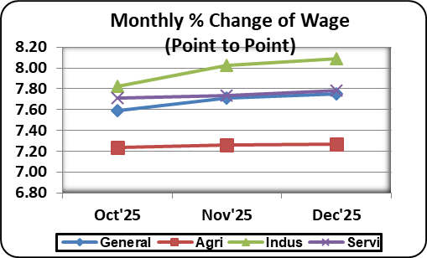

Table-2.8_WRI_Sylhet
...
Table: 2.8 Wage Rate Index by Sectors: Sylhet Division (Base Index: 2021-22=100)
percentage change (Point to Point) | 5.07 | 7.38 | 7.92 | 7.51 | 7.67 | 7.75
percentage change(over previous month) |  |  |  | 0.74 | 0.81 | 0.60
II. Production | 222.43 | 117.21 | 123.84 | 131.46 | 133.95 | 134.81
percentage change (Point to Point) | 7.9 | 6.84 | 5.70 | 9.14 | 8.85 | 8.90
percentage change(over previous month) |  |  |  | 0.84 | 1.90 | 0.64
3. Service | 212.51 | 113.43 | 123.11 | 130.23 | 132.25 | 132.91
percentage change (Point to Point) | 7.23 | 5.77 | 8.53 | 8.18 | 8.03 | 8.08
percentage change(over previous month) |  |  |  | 0.66 | 1.55 | 0.50

Figure: 2.15 Figure: 2.16
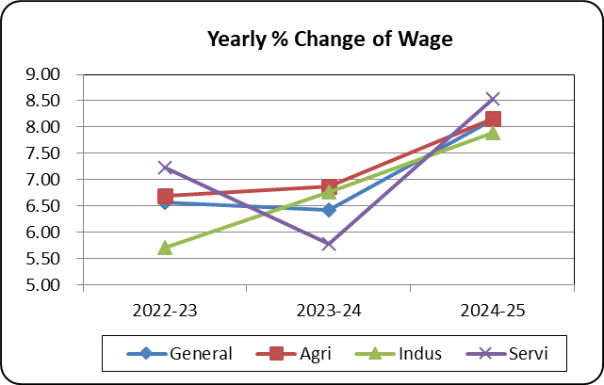
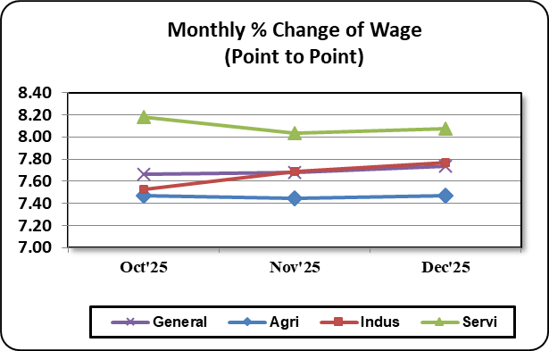

Table-2.9_WRI_Mymensingh
...
Table: 2.9 Wage Rate Index by Sectors: Mymensingh Division (Base Index: 2021-22=100)
percentage change (Point to Point) | - | - | 7.24 | 7.30 | 7.54 | 7.58
percentage change(over previous month) | - | - |  | 0.92 | 1.28 | 0.76
II. Production | - | 114.9 | 124.36 | 131.75 | 133.67 | 134.99
percentage change (Point to Point) | - | - | 8.23 | 7.86 | 7.90 | 7.92
percentage change(over previous month) | - | - |  | 1.00 | 1.45 | 0.99
3. Service | - | 113.25 | 122.47 | 128.57 | 129.57 | 130.38
percentage change (Point to Point) | - | - | 8.14 | 6.21 | 6.27 | 6.38
percentage change(over previous month) | - | - |  | 0.77 | 0.78 | 0.62

Figure: 2.17 Figure: 2.18
