Table-1.1_CPI_Point to Point
Table: 1.1 Consumer Price Index (CPI) and Inflation Rate (Point to Point)

CPI Classification | 2021-22 | 2022-23 | 2023-24 | (Base Index 2021-22 =100)
 |  |  |  | 2023-24 |  |  | 2024-25
 |  |  |  | Nov’23 | Dec’23 | Jan’24 | Nov’24 | Dec’24 | Jan'25
1 | 2 | 3 | 4 | 5 | 6 | 7 | 8 | 9 | 10
NATIONAL
General index | 306.18 | 109.02 | 119.63 | 119.10 | 118.40 | 119.60 | 132.66 | 131.30 | 131.49
Inflation | 6.15 | 9.02 | 9.73 | 9.49 | 9.41 | 9.86 | 11.38 | 10.89 | 9.94
Food index | 332.86 | 108.71 | 120.3 | 120.04 | 117.48 | 118.30 | 136.61 | 132.65 | 130.97
Inflation | 6.05 | 8.71 | 10.65 | 10.76 | 9.58 | 9.56 | 13.80 | 12.92 | 10.72
Non-food index | 271.98 | 109.39 | 119.08 | 118.33 | 119.16 | 120.66 | 129.44 | 130.19 | 131.90
Inflation | 6.31 | 9.39 | 8.86 | 8.16 | 8.52 | 9.42 | 9.39 | 9.26 | 9.32
RURAL
General index | 304.76 | 109.08 | 119.73 | 119.24 | 118.55 | 119.64 | 132.99 | 131.69 | 131.81
Inflation | 6.42 | 9.08 | 9.76 | 9.62 | 9.49 | 9.70 | 11.53 | 11.09 | 10.18
Food index | 326.34 | 108.79 | 120.41 | 120.07 | 117.70 | 118.42 | 136.18 | 132.56 | 130.99
Inflation | 6.51 | 8.79 | 10.67 | 10.86 | 9.66 | 9.41 | 13.41 | 12.63 | 10.61
Non-food index | 270.42 | 109.54 | 119.1 | 118.46 | 119.36 | 120.79 | 129.97 | 130.87 | 132.59
Inflation | 6.25 | 9.54 | 8.71 | 8.00 | 8.41 | 9.19 | 9.72 | 9.65 | 9.77
URBAN
General index | 308.81 | 108.87 | 119.3 | 118.76 | 118.00 | 119.37 | 132.26 | 130.79 | 131.18
Inflation | 5.66 | 8.87 | 9.57 | 9.16 | 9.15 | 9.99 | 11.37 | 10.84 | 9.89
Food index | 348.75 | 108.52 | 120.09 | 120.04 | 117.05 | 118.08 | 137.60 | 132.92 | 131.01
Inflation | 5.02 | 8.52 | 10.65 | 10.58 | 9.46 | 9.98 | 14.63 | 13.56 | 10.95
Non-food index | 274.07 | 109.13 | 118.81 | 117.96 | 118.59 | 120.17 | 128.94 | 129.47 | 131.29
Inflation | 6.38 | 9.13 | 8.87 | 8.17 | 8.39 | 9.43 | 9.31 | 9.17 | 9.25
Note : Figures in italics indicate inflation over previous year/month
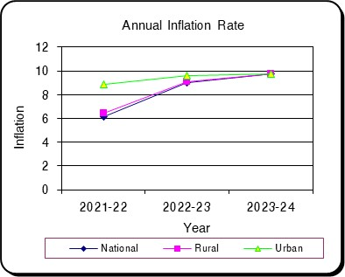
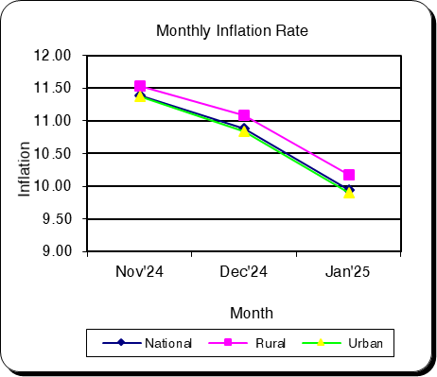

Table-1.2 Moving Average_CPI
Table 1.2 Monthly and Average Inflation Rate of CPI from Feb'24 to Jan'25 (12 Months Moving Average)
(2021-22=100)

12 Months Average |  | 12 Months Average |  | Inflation
Period | Average | Period | Average
Feb'23-Jan'24 | 115.11 | Feb'22-Jan'23 | 105.04 | 9.59
Mar'23-Feb'24 | 115.99 | Mar'22-Feb'23 | 105.78 | 9.66
Apr'23-Mar'24 | 116.90 | Apr'22-Mar'23 | 106.57 | 9.69
May'23-Apr'24 | 117.80 | May'22-Apr'23 | 107.35 | 9.73
Jun'23-May'24 | 118.72 | Jun'22-May'23 | 108.19 | 9.73
Jul'23-Jun'24 | 119.63 | Jul'22-Jun'23 | 109.02 | 9.73
Aug'23-Jul'24 | 120.73 | Aug'22-Jul'23 | 109.85 | 9.90
Sep'23-Aug'24 | 121.75 | Sep'22-Aug'23 | 110.73 | 9.95
Oct'23-Sep'24 | 122.73 | Oct'22-Sep'23 | 111.60 | 9.97
Nov'23-Oct'24 | 123.82 | Nov'22-Oct'23 | 112.51 | 10.05
Dec'23-Nov'24 | 124.95 | Dec'22-Nov'23 | 113.37 | 10.22
Jan'24-Dec'24 | 126.02 | Jan'23-Dec'23 | 114.22 | 10.34
Feb'24-Jan'25 | 127.01 | Feb'23-Jan'24 | 115.11 | 10.34
Feb'24-Jan'25 |  |  | 10.34
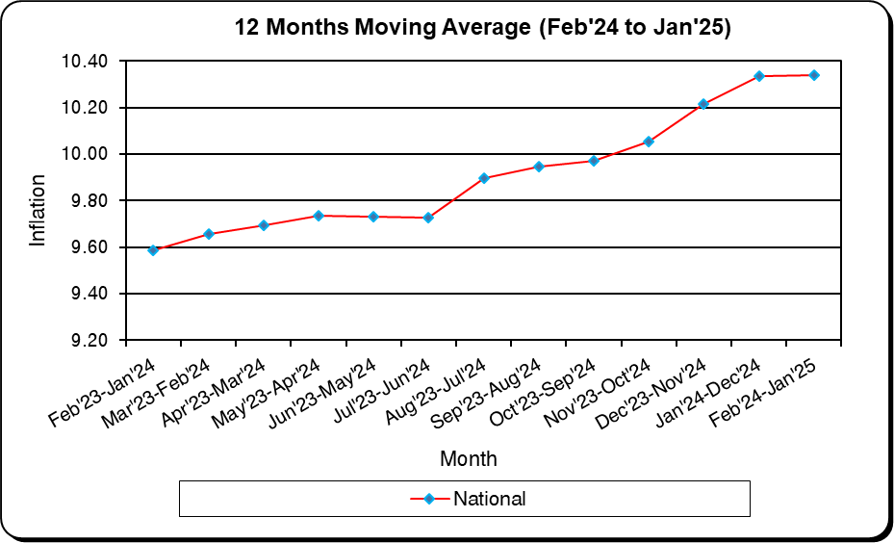

December
January
February
March
April
May
June
July
August
September
October
November
December
January
February

Table-1.3_CPI_National
Table: 1.3 Consumer Price Index (CPI): National (Over Previous Year/Month)

CPI Classification | 2021-22 | 2022-23 | 2023-24 | (Base Index 2021-22 =100)
 |  |  |  | 2023-24 |  |  | 2024-25
 |  |  |  | Nov’23 | Dec’23 | Jan’24 | Nov’24 | Dec’24 | Jan'25
1 | 2 | 3 | 4 | 5 | 6 | 7 | 8 | 9 | 10
General Index | 306.18 | 109.02 | 119.63 | 119.10 | 118.40 | 119.60 | 132.66 | 131.30 | 131.49
Inflation (Point to Point) | 6.15 | 9.02 | 9.73 | 9.49 | 9.41 | 9.86 | 11.38 | 10.89 | 9.94
Inflation (Over Previous Month) | * | * | * | -0.95 | -0.59 | 1.01 | -0.50 | -1.02 | 0.15
Food | 332.86 | 108.71 | 120.3 | 120.04 | 117.48 | 118.30 | 136.61 | 132.65 | 130.97
Inflation (Point to Point) | 6.05 | 8.71 | 10.65 | 10.76 | 9.58 | 9.56 | 13.80 | 12.92 | 10.72
Inflation (Over Previous Month) | * | * | * | -3.11 | -2.14 | 0.70 | -2.13 | -2.89 | -1.27
Non-Food | 271.98 | 109.39 | 119.08 | 118.33 | 119.16 | 120.66 | 129.44 | 130.19 | 131.90
Inflation (Point to Point) | 6.31 | 9.39 | 8.86 | 8.16 | 8.52 | 9.42 | 9.39 | 9.26 | 9.32
Inflation (Over Previous Month) | * | * | * | 0.91 | 0.69 | 1.26 | 0.95 | 0.58 | 1.31
Division Wise (COICOP)
01. Food and Nonalcoholic Beverages | 332.86 | 108.71 | 120.3 | 120.04 | 117.48 | 118.30 | 136.61 | 132.65 | 130.97
Inflation (Point to Point) | 6.05 | 8.71 | 10.65 | 10.76 | 9.58 | 9.56 | 13.80 | 12.92 | 10.72
Inflation (Over Previous Month) | * | * | * | -3.11 | -2.14 | 0.70 | -2.13 | -2.89 | -1.27
02. Alcoholic Beverages, Tobacco and Narcotics | * | * | 121.23 | 119.44 | 119.52 | 120.66 | 139.50 | 139.99 | 153.12
Inflation (Point to Point) | * | * | * | * | * | * | 16.80 | 17.13 | 26.90
Inflation (Over Previous Month) | * | * | * | 0.09 | 0.07 | 0.96 | 1.13 | 0.35 | 9.38
03. Clothing and Footwear | 320.14 | 106.71 | 115.73 | 115.92 | 116.22 | 117.37 | 126.33 | 127.48 | 129.33
Inflation (Point to Point) | 7.38 | 6.71 | 8.44 | 8.86 | 8.49 | 9.26 | 8.99 | 9.69 | 10.19
Inflation (Over Previous Month) | * | * | * | 1.43 | 0.26 | 0.98 | 1.76 | 0.91 | 1.45
04. Housing, Water, Electricity, Gas, and Other Fuels | 232.43 | 108.25 | 118.94 | 118.07 | 118.51 | 119.76 | 129.40 | 129.97 | 130.56
Inflation (Point to Point) | 1.81 | 8.25 | 9.89 | 10.18 | 10.58 | 10.92 | 9.60 | 9.67 | 9.02
Inflation (Over Previous Month) | * | * | * | 1.12 | 0.37 | 1.05 | 1.31 | 0.44 | 0.45
05. Furnishings, Household Equipment, and Routine Maintenance of the House | 320.3 | 109.68 | 123.81 | 124.56 | 124.95 | 125.92 | 133.36 | 133.64 | 135.44
Inflation (Point to Point) | 7.43 | 9.68 | 12.89 | 14.11 | 13.34 | 13.87 | 7.07 | 6.96 | 7.56
Inflation (Over Previous Month) | * | * | * | 1.53 | 0.32 | 0.78 | 0.64 | 0.21 | 1.34
06. Health | 253.62 | 114.09 | 118.23 | 114.80 | 120.93 | 122.38 | 126.85 | 127.19 | 127.47
Inflation (Point to Point) | 2.32 | 14.09 | 3.85 | -3.83 | 1.16 | 2.25 | 10.50 | 5.17 | 4.16
Inflation (Over Previous Month) | * | * | * | 0.45 | 5.35 | 1.20 | 0.11 | 0.26 | 0.23
07. Transportation | 313 | 109.67 | 117.62 | 117.85 | 118.05 | 119.21 | 124.51 | 125.23 | 126.43
Inflation (Point to Point) | 15.31 | 9.67 | 7.25 | 6.12 | 6.00 | 6.92 | 5.66 | 6.08 | 6.06
Inflation (Over Previous Month) | * | * | * | 0.53 | 0.17 | 0.98 | 0.55 | 0.57 | 0.96
08. Communication | * | * | 107.62 | 106.71 | 107.07 | 108.30 | 117.37 | 117.48 | 118.28
Inflation (Point to Point) | * | * | * | * | * | * | 9.99 | 9.72 | 9.22
Inflation (Over Previous Month) | * | * | * | 0.04 | 0.34 | 1.14 | 0.21 | 0.09 | 0.68
09. Recreation and Culture | 202.6 | 108.58 | 123.75 | 123.58 | 123.63 | 125.90 | 133.16 | 133.41 | 134.18
Inflation (Point to Point) | 4.64 | 8.58 | 14.01 | 15.93 | 15.59 | 16.97 | 7.75 | 7.92 | 6.58
Inflation (Over Previous Month) | * | * | * | 1.13 | 0.04 | 1.84 | 0.98 | 0.19 | 0.57
10. Education | * | * | 112.93 | 112.24 | 112.32 | 113.97 | 121.32 | 122.59 | 124.08
Inflation (Point to Point) | * | * | * | * | * | * | 8.09 | 9.14 | 8.87
Inflation (Over Previous Month) | * | * | * | 0.11 | 0.07 | 1.47 | 0.67 | 1.04 | 1.21
11. Restaurants and Hotels | * | * | 140.32 | 138.84 | 139.06 | 141.85 | 154.17 | 155.93 | 158.17
Inflation (Point to Point) | * | * | * | * | * | * | 11.04 | 12.13 | 11.51
Inflation (Over Previous Month) | * | * | * | 1.17 | 0.16 | 2.00 | 1.49 | 1.14 | 1.44
12. Miscellaneous Goods and Services | 312.28 | 112.05 | 122.53 | 120.83 | 122.09 | 125.89 | 138.68 | 140.22 | 141.95
Inflation (Point to Point) | 8.23 | 12.05 | 9.33 | 6.15 | 6.84 | 9.52 | 14.78 | 14.85 | 12.76
Inflation (Over Previous Month) | * | * | * | 1.57 | 1.04 | 3.11 | 0.68 | 1.11 | 1.24

Note : Figures in italics indicate inflation over previous year/month
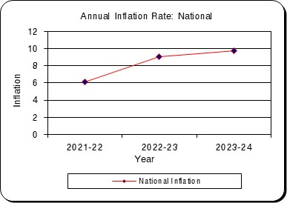
Monthly % Change Of Index
 | General | Food | Non-food
Nov'24 | 11.380806101 | 13.795177097 | 9.3884157707
Dec'24 | 10.888425217 | 12.915722602 | 9.2625038488
Jan'25 | 9.9392788977 | 10.715723004 | 9.3200313867

Table-1.4_CPI_Rural
Table: 1.4 Consumer Price Index (CPI): Rural (Over Previous Year/Month)

CPI Classification | 2021-22 | 2022-23 | 2023-24 | (Base Index 2021-22 =100)
 |  |  |  | 2023-24 |  |  | 2024-25
 |  |  |  | Nov’23 | Dec’23 | Jan’24 | Nov’24 | Dec’24 | Jan'25
1 | 2 | 3 | 4 | 5 | 6 | 7 | 8 | 9 | 10
General Index | 304.76 | 109.08 | 119.73 | 119.24 | 118.55 | 119.64 | 132.99 | 131.69 | 131.81
Inflation (Point to Point) | 6.42 | 9.08 | 9.76 | 9.62 | 9.49 | 9.70 | 11.53 | 11.09 | 10.18
Inflation (Over Previous Month) | * | * | * | -0.90 | -0.58 | 0.92 | -0.66 | -0.98 | 0.09
...
Inflation (Point to Point) | * | * | * | * | * | * | 9.33 | 10.10 | 9.40
Inflation (Over Previous Month) | * | * | * | 0.12 | 0.07 | 1.27 | 0.79 | 0.78 | 0.62
11. Restaurants and Hotels | * | * | 135.08 | 132.84 | 133.12 | 135.55 | 147.20 | 149.42 | 150.53
Inflation (Point to Point) | * | * | * | * | * | * | 10.81 | 12.24 | 11.05
Inflation (Over Previous Month) | * | * | * | 0.86 | 0.21 | 1.83 | 0.70 | 1.51 | 0.74
12. Miscellaneous Goods and Services | 332.14 | 111.24 | 120.42 | 119.62 | 119.71 | 122.76 | 133.72 | 135.30 | 138.15
Inflation (Point to Point) | 8.61 | 11.24 | 8.24 | 6.61 | 6.33 | 8.32 | 11.79 | 13.02 | 12.54
Inflation (Over Previous Month) | * | * | * | 1.50 | 0.08 | 2.55 | 0.85 | 1.18 | 2.11

Note : Figures in italics indicate inflation over previous year/month
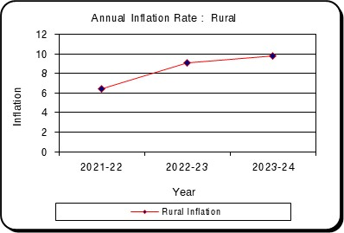
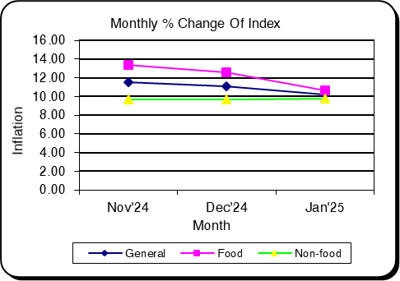

Table-1.5_CPI_Urban
...
CPI Classification | 2021-22 | 2022-23 | 2023-24 | (Base Index 2021-22 =100)
Inflation (Point to Point) | * | * | * | * | * | * | 8.83 | 10.29 | 10.61
Inflation (Over Previous Month) | * | * | * | 0.16 | 0.07 | 1.77 | 0.49 | 1.41 | 2.06
11. Restaurants and Hotels | * | * | 147.62 | 146.92 | 147.10 | 150.43 | 164.51 | 165.57 | 170.18
Inflation (Point to Point) | * | * | * | * | * | * | 11.97 | 12.56 | 13.13
Inflation (Over Previous Month) | * | * | * | 1.46 | 0.12 | 2.27 | 3.34 | 0.65 | 2.78
12. Miscellaneous Goods and Services | 287.76 | 113.16 | 124.68 | 122.65 | 124.28 | 128.94 | 143.93 | 145.36 | 145.69
Inflation (Point to Point) | 7.7 | 13.16 | 10.18 | 5.60 | 6.50 | 9.97 | 17.35 | 16.96 | 12.99
Inflation (Over Previous Month) | * | * | * | 1.67 | 1.33 | 3.75 | 0.44 | 0.99 | 0.22

Note : Figures in italics indicate inflation over previous year/month
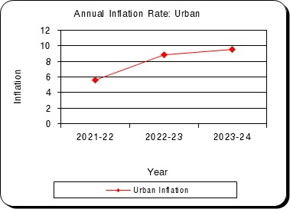
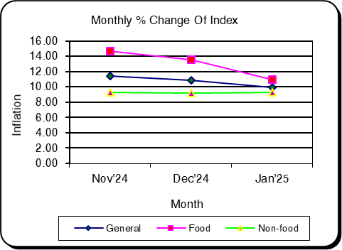

Table-2.1_WRI_National
...
Sector | 2021-22 | 2022-23 | 2023-24 | Nov’24 | Dec’24 | Jan’25
percentage change (Point to Point) | 4.41 | 5.57 | 8.26 | 7.68 | 7.72 | 7.77
percentage change(over previous month) |  |  |  | 0.94 | 0.68 | 0.60
II. Production | 214.87 | 234.79 | 117.69 | 125.97 | 127.04 | 128.14
percentage change (Point to Point) | 8.3 | 9.28 | 7.7 | 8.05 | 8.09 | 8.01
percentage change(over previous month) |  |  |  | 1.3 | 0.85 | 0.86
3. Service | 199.42 | 212.23 | 116.22 | 124.81 | 125.76 | 126.76
percentage change (Point to Point) | 6.32 | 7.31 | 8.29 | 8.4 | 8.43 | 8.44
percentage change(over previous month) |  |  |  | 1.11 | 0.76 | 0.79

Figure: 2.1 Figure: 2.2
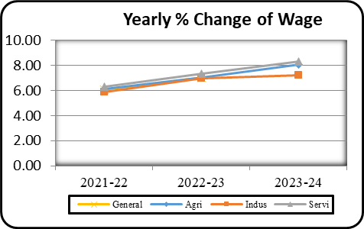
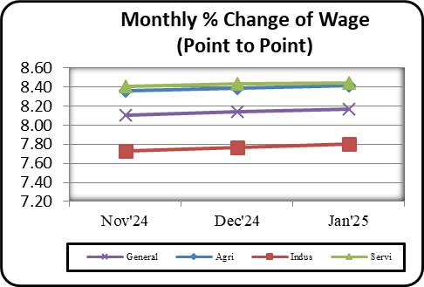

Table-2.2_WRI_Dhaka
...
Table: 2.2 Wage Rate Index by Sectors: Dhaka Division (Base Index: 2021-22=100)
percentage change (Point to Point) | 3.86 | 4.5 | 8.24 | 7.88 | 7.9 | 7.92
percentage change(over previous month) |  |  |  | 0.8 | 0.53 | 0.48
II. Production | 202.14 | 217.53 | 115.97 | 124.81 | 125.74 | 126.59
percentage change (Point to Point) | 7.63 | 7.63 | 7.76 | 8.14 | 8.19 | 8.22
percentage change(over previous month) |  |  |  | 1.64 | 0.75 | 0.68
3. Service | 200.28 | 211.37 | 111.75 | 120.74 | 121.8 | 122.73
percentage change (Point to Point) | 6 | 5.54 | 5.87 | 8.52 | 8.54 | 8.63
percentage change(over previous month) |  |  |  | 1.04 | 0.88 | 0.76

Figure: 2.3 Figure: 2.4
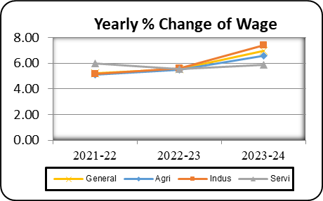
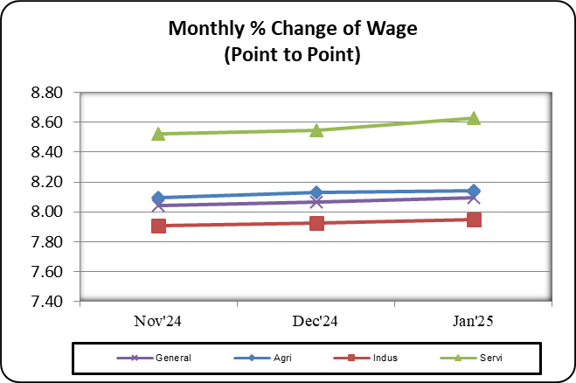

Table-2.3_WRI_Chattogram
...
Table: 2.3 Wage Rate Index by Sectors: Chattogram Division (Base Index: 2021-22=100)
percentage change (Point to Point) | 5.51 | 7.23 | 6.49 | 7.07 | 7.16 | 7.18
percentage change(over previous month) |  |  |  | 0.97 | 0.86 | 0.64
II. Production | 192.12 | 206.68 | 116.37 | 125.58 | 126.51 | 127.52
percentage change (Point to Point) | 5.78 | 7.57 | 8.16 | 8.77 | 8.79 | 8.88
percentage change(over previous month) |  |  |  | 1.44 | 0.74 | 0.80
3. Service | 194.39 | 210.68 | 115.12 | 123.17 | 124.86 | 125.88
percentage change (Point to Point) | 6.46 | 8.37 | 6.22 | 8.49 | 8.5 | 8.39
percentage change(over previous month) |  |  |  | 1.16 | 1.37 | 0.82

Figure: 2.5 Figure: 2.6
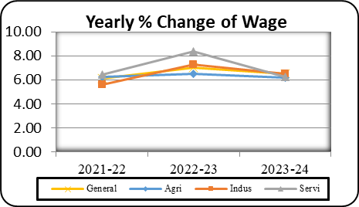
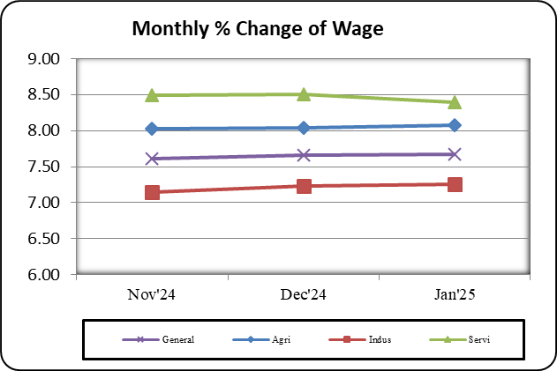

Table-2.4_WRI_Rajshahi
...
Table: 2.4 Wage Rate Index by Sectors: Rajshahi Division (Base Index: 2021-22=100)
percentage change (Point to Point) | 3.51 | 5.23 | 8.28 | 7.62 | 7.64 | 7.75
percentage change(over previous month) |  |  |  | 0.51 | 0.64 | 0.63
II. Production | 207.5 | 225.66 | 116.49 | 125.71 | 126.48 | 127.50
percentage change (Point to Point) | 9.01 | 8.79 | 7.33 | 8.51 | 8.56 | 8.43
percentage change(over previous month) |  |  |  | 0.68 | 0.62 | 0.80
3. Service | 198.39 | 214.96 | 117.17 | 125.21 | 126.33 | 127.14
percentage change (Point to Point) | 5.75 | 8.33 | 8.16 | 8.29 | 8.31 | 8.34
percentage change(over previous month) |  |  |  | 0.74 | 0.89 | 0.64

Figure: 2.7 Figure: 2.8
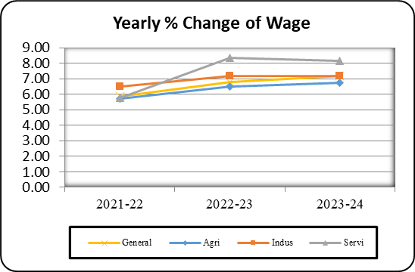
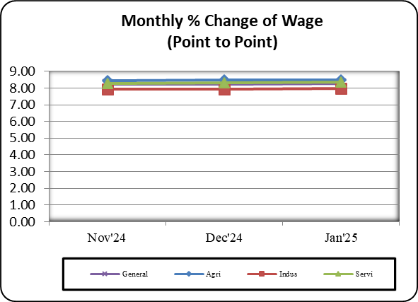

Table-2.5_WRI_Rangpur
...
Table: 2.5 Wage Rate Index by Sectors: Rangpur Division (Base Index: 2021-22=100)
percentage change (Point to Point) | 4.48 | 7.22 | 11.72 | 8.54 | 8.57 | 8.62
percentage change(over previous month) |  |  |  | 1.43 | 0.51 | 0.97
II. Production | 264.36 | 300.82 | 122.46 | 127.1 | 128.89 | 130.84
percentage change (Point to Point) | 11.41 | 13.75 | 7.63 | 6.11 | 6.11 | 6.12
percentage change(over previous month) |  |  |  | 2.28 | 1.41 | 1.52
3. Service | 226.52 | 259.15 | 125.08 | 134.03 | 134.53 | 135.93
percentage change (Point to Point) | 10 | 14.37 | 9.44 | 8.53 | 8.56 | 8.57
percentage change(over previous month) |  |  |  | 1.16 | 0.38 | 1.04

Figure: 2.9 Figure: 2.10
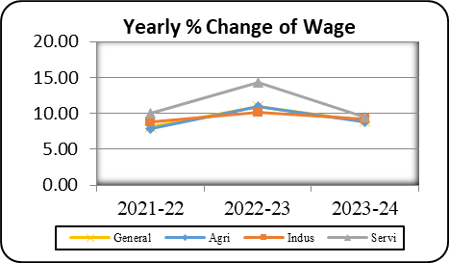
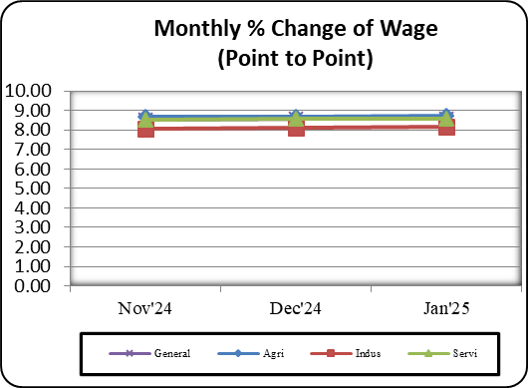

Table-2.6_WRI_Khulna
...
Table: 2.6 Wage Rate Index by Sectors: Khulna Division (Base Index: 2021-22=100)
percentage change (Point to Point) | 4.12 | 5.49 | 7.36 | 7.71 | 7.75 | 7.80
percentage change(over previous month) |  |  |  | 1.07 | 0.74 | 0.49
II. Production | 222.02 | 244.03 | 119.48 | 128.89 | 130.48 | 131.32
percentage change (Point to Point) | 7.44 | 9.17 | 8.68 | 8.64 | 8.66 | 8.40
percentage change(over previous month) |  |  |  | 1.64 | 1.23 | 0.65
3. Service | 203.92 | 223.51 | 118.16 | 126.58 | 127.2 | 128.10
percentage change (Point to Point) | 7.37 | 9.64 | 7.82 | 8.14 | 8.17 | 8.24
percentage change(over previous month) |  |  |  | 1.12 | 0.49 | 0.70

Figure: 2.11 Figure: 2.12
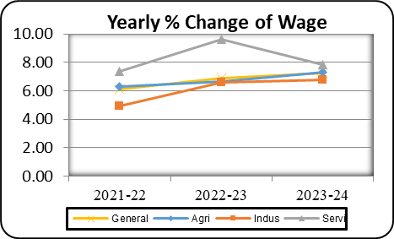
Monthly % Change of Wage (Point to Point)
 | General | Agri | Indus | Servi
Nov'24 | 7.99 | 8.10 | 7.80 | 8.14
Dec'24 | 8.03 | 8.14 | 7.84 | 8.17
Jan'25 | 8.06 | 8.16 | 7.86 | 8.24

Table-2.7_WRI_Barishal
...
Table: 2.7 Wage Rate Index by Sectors: Barishal Division (Base Index: 2021-22=100)
percentage change (Point to Point) | 6.02 | 7.8 | 7.42 | 7.93 | 8.01 | 8.02
percentage change(over previous month) |  |  |  | 1.23 | 0.96 | 0.57
II. Production | 210.17 | 227.41 | 126.68 | 127.46 | 128.53 | 129.35
percentage change (Point to Point) | 5.74 | 8.2 | 8.69 | 8.57 | 8.58 | 8.66
percentage change(over previous month) |  |  |  | 1.65 | 0.85 | 0.64
3. Service | 207.07 | 227.66 | 127.42 | 126.96 | 128.39 | 128.94
percentage change (Point to Point) | 8.91 | 9.65 | 8.09 | 8.09 | 8.28 | 8.33
percentage change(over previous month) |  |  |  | 0.96 | 1.13 | 0.42

Figure: 2.13 Figure: 2.14
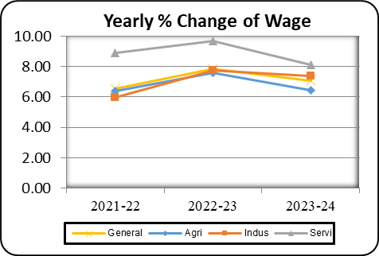
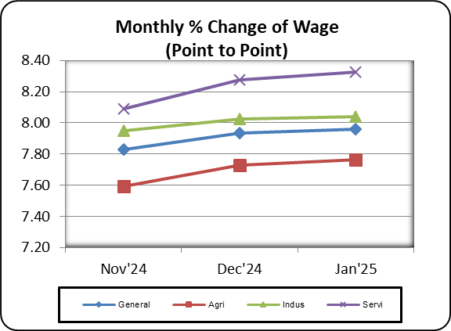

Table-2.8_WRI_Sylhet
...
Table: 2.8 Wage Rate Index by Sectors: Sylhet Division (Base Index: 2021-22=100)
percentage change (Point to Point) | 4.64 | 5.07 | 7.38 | 7.86 | 7.88 | 7.91
percentage change(over previous month) |  |  |  | 0.65 | 0.52 | 0.51
II. Production | 202.67 | 222.43 | 117.21 | 123.06 | 123.8 | 124.66
percentage change (Point to Point) | 4.87 | 7.9 | 6.84 | 6.85 | 6.88 | 6.96
percentage change(over previous month) |  |  |  | 2.17 | 0.6 | 0.70
3. Service | 198.17 | 212.51 | 113.43 | 122.42 | 122.98 | 124.44
percentage change (Point to Point) | 6.28 | 7.23 | 5.77 | 8.66 | 8.68 | 8.60
percentage change(over previous month) |  |  |  | 1.69 | 0.46 | 1.19

Figure: 2.15 Figure: 2.16
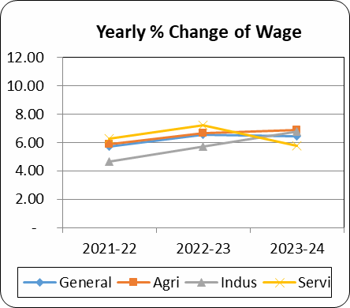
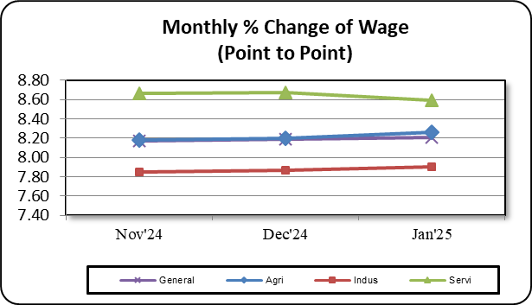

Table-2.9_WRI_Mymensingh
...
Table: 2.9 Wage Rate Index by Sectors: Mymensingh Division (Base Index: 2021-22=100)
percentage change (Point to Point) | - | - | - | 7.24 | 7.26 | 7.41
percentage change(over previous month) | - | - | - | 1.06 | 0.72 | 0.52
II. Production | 100 | - | 114.9 | 123.89 | 125.08 | 125.38
percentage change (Point to Point) | - | - | - | 8.4 | 8.44 | 8.24
percentage change(over previous month) | - | - | - | 1.42 | 0.96 | 0.24
3. Service | 100 | - | 113.25 | 121.93 | 122.56 | 122.80
percentage change (Point to Point) | - | - | - | 8.02 | 8.06 | 8.09
percentage change(over previous month) | - | - | - | 0.73 | 0.52 | 0.19

Figure: 2.17 Figure: 2.18
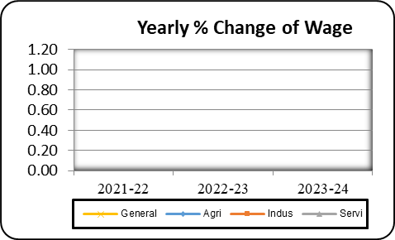
Monthly % Change of Wage (Point to Point)
 | General | Agriculture | Industry | Service
Nov'24 | 8.06 | 8.62 | 7.33 | 8.02
Dec'24 | 8.08 | 8.63 | 7.35 | 8.06
Jan'25 | 8.09 | 8.56 | 7.47 | 8.09

